Notes
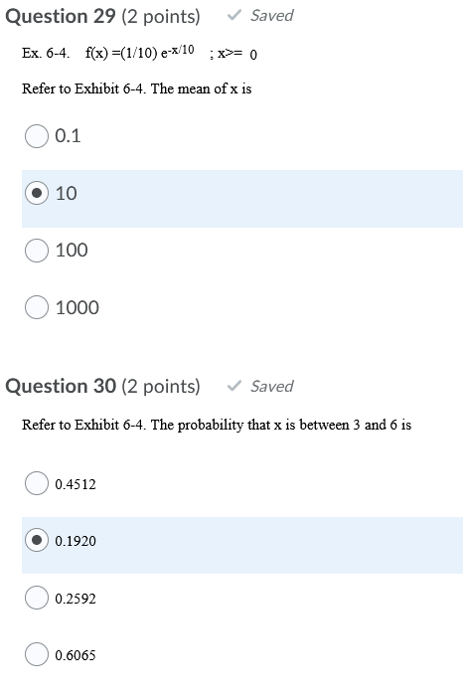
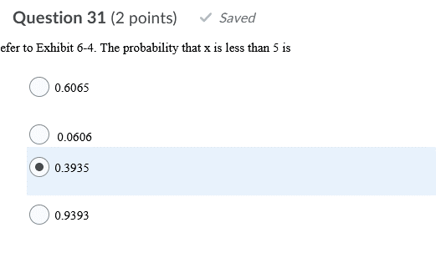
50 multiple choice
2.5 hours
open notes / book

 |  | e | 2.718

 |  | x | f(x)
 |  | 0 | 0.1
 |  | 1 | 0.090484679983
 |  | 2 | 0.081874773115
 |  | 3 | 0.07408412644
 |  | 4 | 0.067034784727
 |  | 5 | 0.060656210437
 |  | 6 | 0.054884577904
 |  | 7 | 0.049662134676
 |  | 8 | 0.044936623634
 |  | 9 | 0.04066076009
 |  | 10 | 0.036791758646

 | <--- changed this to .4512

Ch 6 Discrete Prob Dist
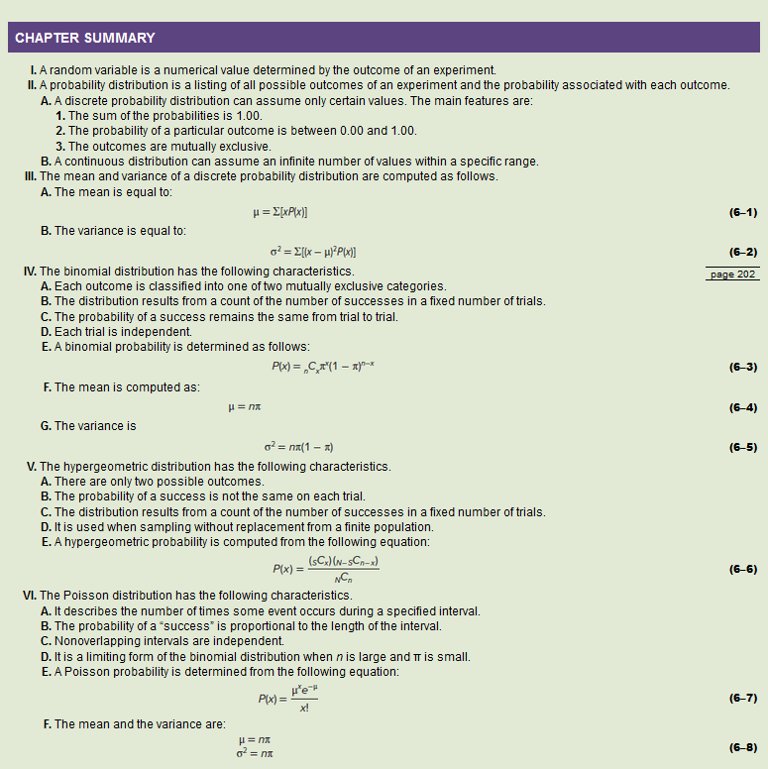
Discrete Probability Distributions

Binomial Prob Dist Ex Ch6
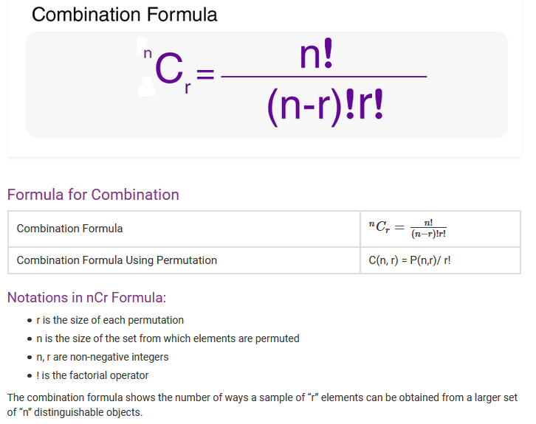
 |  |  |  |  |  |  |  | Ex13. An American Society of Investors survey found 30% of individual investors have used a discount broker. In a random sample of nine individuals, what is the probability:
 |  |  |  |  |  |  |  |  | a. Exactly two of the sampled individuals have used a discount broker? |  |  |  |  |  |  |  | c. None of them have used a discount broker?

 |  |  |  |  |  |  |  |  |  |  |  | success is… |  | have used a discount broker |  |  |  |  | success is… |  | have used a discount broker
 |  |  |  |  |  |  |  |  |  |  |  | number of trials | n | 9 |  |  |  |  | number of trials | n | 9
 |  |  |  |  |  |  |  |  |  |  |  | random variable number of successes | x | 2 |  |  |  |  | random variable number of successes | x | 0
 |  |  |  |  |  |  |  |  |  |  |  | prob of success on each trial | pi | 0.30 |  |  |  |  | prob of success on each trial | pi | 0.30

 |  |  |  |  |  |  |  |  |  |  |  | population mean | mu | 2.700 |  |  |  |  | population mean | mu | 2.700
 |  |  |  |  |  |  |  |  |  |  |  | population variance | sigma-squared | 1.890 |  |  |  |  | population variance | sigma-squared | 1.890
 |  |  |  |  |  |  |  |  |  |  |  | population std dev | sigma | 1.375 |  |  |  |  | population std dev | sigma | 1.375

 |  |  |  |  |  |  |  |  |  |  |  |  | nCx | 36 |  |  |  |  |  | nCx | 1
 |  |  |  |  |  |  |  |  |  |  |  |  | pi^x | 0.09 |  |  |  |  |  | pi^x | 1.00
 |  |  |  |  |  |  |  |  |  |  |  |  | (1-pi)^(n-x) | 0 |  |  |  |  |  | (1-pi)^(n-x) | 0
 |  |  |  |  |  |  |  |  |  |  |  |  | P(x) | 0.2668 |  |  |  |  |  | P(x) | 0.0404
 |  |  |  |  |  |  |  |  |  |  |  |  | P(x) | 0.2668 |  |  |  |  |  | P(x) | 0.0404

 |  |  |  |  |  |  |  |  | b. Exactly four of them have used a discount broker?

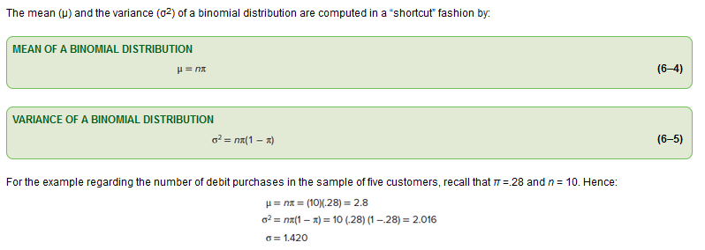
 |  |  |  |  |  |  |  |  |  |  |  | success is… |  | have used a discount broker
 |  |  |  |  |  |  |  |  |  |  |  | number of trials | n | 9
 |  |  |  |  |  |  |  |  |  |  |  | random variable number of successes | x | 4
 |  |  |  |  |  |  |  |  |  |  |  | prob of success on each trial | pi | 0.30

 |  |  |  |  |  |  |  |  |  |  |  | population mean | mu | 2.700
 |  |  |  |  |  |  |  |  |  |  |  | population variance | sigma-squared | 1.890
 |  |  |  |  |  |  |  |  |  |  |  | population std dev | sigma | 1.375

 |  |  |  |  |  |  |  |  |  |  |  |  | nCx | 126
 |  |  |  |  |  |  |  |  |  |  |  |  | pi^x | 0.01
 |  |  |  |  |  |  |  |  |  |  |  |  | (1-pi)^(n-x) | 0
 |  |  |  |  |  |  |  |  |  |  |  |  | P(x) | 0.1715
 |  |  |  |  |  |  |  |  |  |  |  |  | P(x) | 0.1715

 |  |  |  |  |  | n | 12 | Ex17. A recent survey by the American Accounting Association revealed 52% of accountants have the Certified Public Accounting (CPA) certificate. Suppose we select a sample of 15 accountants.
 |  |  |  |  |  | r | 4
 |  |  |  |  |  |  |  |  | a. What is the random variable? How is the random variable distributed? Why?
success is… |  | absent student |  |  | absent student |  |  |  | The random variable is the number of accountants that are CPAs. It is a binomial probability distribution because...
number of trials | n | 8 |  | n | 8 |  |  |  |  | 1. any possible outcome is either true or false. An accountant is either a CPA or not. True and false is not possible
random variable number of successes | x | 5 |  | x | 6 |  |  |  |  | 2. the random variable (x) is a fixed number of CPAs in a known number of accountants (n).
prob of success on each trial | pi | 15% |  | pi | 15% |  |  |  |  | 3. we know the probability of an accountant being a CPA (pi) and it is the same for each of the accountants (n).
 |  |  |  |  |  |  |  |  |  | 4. the trials are all independent. There is no pattern to the trials and the outcome of a particular trial does not effect the outcome of any other trial.

population mean | mu | 1.200 |  | mu | 1.200 |  |  |  | b. What is the probability that five of the 15 accountants are CPAs? |  |  |  |  |  |  | c. What is the probability that seven or eight of the 15 accountants are CPAs? |  |  |  |  |  |  |  | d. What is the mean of the distribution of "number of CPA's among 15 accountants?
population variance | sigma-squared | 1.020 |  | sigma-squared | 1.020 |  |  |  |  |  |  | success is… |  | have the CPA certificate |  |  |  |  | success is… |  | have the CPA certificate |  |  |  | 7.800
population std dev | sigma | 1.010 |  | sigma | 1.010 |  |  |  |  |  |  | number of trials | n | 15 |  |  |  |  | number of trials | n | 15 | 15
 |  |  |  |  |  |  |  |  |  |  |  | random variable number of successes | x | 5 |  |  |  |  | random variable number of successes | x | 7 | 8
 | nCx | 56 |  | nCx | 28 |  |  |  |  |  |  | prob of success on each trial | pi | 0.52 |  |  |  |  | prob of success on each trial | pi | 0.52 | 0.52
 | pi^x | 0.00 |  | pi^x | 0.00
 | (1-pi)^(n-x) | 1 |  | (1-pi)^(n-x) | 1 |  |  |  |  |  |  |  |  |  |  |  |  |  |  |  |  |  |  | e. What is the variance of the distribution of "number of CPA's among 15 accountants?
 | P(5) | 0.0026 |  | P(6) | 0.0002 |  |  |  |  |  |  | population mean | mu | 7.800 |  |  |  |  | population mean | mu | 7.800 | 7.800 |  |  | 3.744
 |  |  |  |  |  |  |  |  |  |  |  | population variance | sigma-squared | 3.744 |  |  |  |  | population variance | sigma-squared | 3.744 | 3.744
 | P(5) | 0.0026 |  | P(6) | 0.0002 |  |  |  |  |  |  | population std dev | sigma | 1.935 |  |  |  |  | population std dev | sigma | 1.935 | 1.935
 | P(<5) | 0.9971 |  | P(<6) | 0.9998
 | P(<=5) | 0.9998 |  | P(<=6) | 1.0000 |  |  |  |  |  |  |  | nCx | 3003 |  |  |  |  |  | nCx | 6435 | 6435
 | P(>=5) | 0.0029 |  | P(>=6) | 0.0002 |  |  |  |  |  |  |  | pi^x | 0.04 |  |  |  |  |  | pi^x | 0.01 | 0.01
 | P(>5) | 0.0002 |  | P(>6) | 0.0000 |  |  |  |  |  |  |  | (1-pi)^(n-x) | 0 |  |  |  |  |  | (1-pi)^(n-x) | 0 | 0
 |  |  |  |  |  |  |  |  |  |  |  |  | P(x) | 0.0741 |  |  |  |  |  | P(x) | 0.1864 | 0.2020
 |  | P(5or6) | 0.0028 |  |  |  |  |  |  |  |  |  | P(x) | 0.0741 |  |  |  |  |  | P(x) | 0.1864 | 0.2020
 |  | P(5thru6) | 0.0028
 |  |  |  |  |  |  |  |  |  |  |  |  |  |  |  |  |  |  |  | P(7or8) | 0.3884

 |  |  |  |  |  |  |  | Ex23. The speed with which utility companies can resolve problems is very important. GTC, the Georgetown Telephone Company, reports it can resolve customer problems the same day they are reported in 70% of the cases. Suppose the 15 cases reported today are representative of all complaints.
 |  |  |  |  |  |  |  |  | The random variable is the number of problems resolved same day. It is a binomial probability distribution because...
 |  |  |  |  |  |  |  |  |  | 1. any possible outcome is either true or false. A problem is either resolved same day or not. True and false is not possible
 |  |  |  |  |  |  |  |  |  | 2. the random variable (x) is a fixed number of solved problems in a known number of total problems (n).
 |  |  |  |  |  |  |  |  |  | 3. we know the probability of a problem being resolved (pi) and it is the same for each of the problem (n).
 |  |  |  |  |  |  |  |  |  | 4. the trials are all independent. There is no pattern to the trials and the outcome of a particular trial does not effect the outcome of any other trial.

 |  |  |  |  |  |  |  |  | a. How many of the problems would you expect to be resolved today? What is the standard deviation? |  |  |  |  |  |  |  |  | c. What is the probability 10 or 11 of the problems can be resolved today? |  |  |  |  |  |  |  | d. What is the probability more than 10 of the problems can be resolved today?
 |  |  |  |  |  |  |  |  |  | 10.500 |  |  |  |  |  |  |  |  |  |  | success is… |  | problem is resolved | problem is resolved |  |  | success is… |  | problem is resolved
 |  |  |  |  |  |  |  |  |  | 1.775 |  |  |  |  |  |  |  |  |  |  | number of trials | n | 15 | 15 |  |  | number of trials | n | 15
 |  |  |  |  |  |  |  |  |  |  |  |  |  |  |  |  |  |  |  |  | random variable number of successes | x | 10 | 11 |  |  | random variable number of successes | x | 10
 |  |  |  |  |  |  |  |  | b. What is the probability 10 of the problems can be resolved today? |  |  |  |  |  |  |  |  |  |  |  | prob of success on each trial | pi | 0.70 | 0.70 |  |  | prob of success on each trial | pi | 0.70
 |  |  |  |  |  |  |  |  |  |  |  | success is… |  | problem is resolved
 |  |  |  |  |  |  |  |  |  |  |  | number of trials | n | 15 |  |  |  |  |  |  |  |  |  |  |  |  |  | P(x) | 0.4845 | =BINOM.DIST(AV79,AV78,AV80,TRUE)
 |  |  |  |  |  |  |  |  |  |  |  | random variable number of successes | x | 10 |  |  |  |  |  |  | population mean | mu | 10.500 | 10.500
 |  |  |  |  |  |  |  |  |  |  |  | prob of success on each trial | pi | 0.70 |  |  |  |  |  |  | population variance | sigma-squared | 3.150 | 3.150 |  |  |  | P(>10) | 0.5155 | =1-AV82
 |  |  |  |  |  |  |  |  |  |  |  |  |  |  |  |  |  |  |  |  | population std dev | sigma | 1.775 | 1.775 |  |  |  |  | Calculating the individual probabilities P(11) through P(15) and adding them will yield the same result.

 |  |  |  |  |  |  |  |  |  |  |  | population mean | mu | 10.500 |  |  |  |  |  |  |  | nCx | 3003 | 1365
 |  |  |  |  |  |  |  |  |  |  |  | population variance | sigma-squared | 3.150 |  |  |  |  |  |  |  | pi^x | 0.03 | 0.02
 |  |  |  |  |  |  |  |  |  |  |  | population std dev | sigma | 1.775 |  |  |  |  |  |  |  | (1-pi)^(n-x) | 0 | 0
 |  |  |  |  |  |  |  |  |  |  |  |  |  |  |  |  |  |  |  |  |  | P(x) | 0.2061 | 0.2186
 |  |  |  |  |  |  |  |  |  |  |  |  | nCx | 3003 |  |  |  |  |  |  |  | P(x) | 0.2061 | 0.2186
 |  |  |  |  |  |  |  |  |  |  |  |  | pi^x | 0.03
 |  |  |  |  |  |  |  |  |  |  |  |  | (1-pi)^(n-x) | 0 |  |  |  |  |  |  |  | P(10or11) | 0.4248
 |  |  |  |  |  |  |  |  |  |  |  |  | P(x) | 0.2061
 |  |  |  |  |  |  |  |  |  |  |  |  | P(x) | 0.2061

 |  |  |  |  |  |  |  | Ex43. In a recent study, 35% of people surveyed indicated chocolate was their favorite flavor of ice cream. Suppose we select a sample of 10 people and ask them to name thier favorite flavor of ice cream.
 |  |  |  |  |  |  |  |  | a. How many of those in the sample would you expect to name chocolate?
 |  |  |  |  |  |  |  |  |  | 3.5

 |  |  |  |  |  |  |  |  | b. What is the probability exactly four of those in the sample name chocolate? |  |  |  |  |  |  |  | c. What is the probability four or more name chocolate?

 |  |  |  |  |  |  |  |  |  |  |  | success is… |  | chocolate is favorite |  |  |  |  |  | success is… |  | chocolate is favorite
 |  |  |  |  |  |  |  |  |  |  |  | number of trials | n | 10 |  |  |  |  |  | number of trials | n | 10
 |  |  |  |  |  |  |  |  |  |  |  | random variable number of successes | x | 4 |  |  |  |  |  | random variable number of successes | x | 4
 |  |  |  |  |  |  |  |  |  |  |  | prob of success on each trial | pi | 0.35 |  |  |  |  |  | prob of success on each trial | pi | 0.35

 |  |  |  |  |  |  |  |  |  |  |  | population mean | mu | 3.500 |  |  |  |  |  | population mean | mu | 3.500
 |  |  |  |  |  |  |  |  |  |  |  | population variance | sigma-squared | 2.275 |  |  |  |  |  | population variance | sigma-squared | 2.275
 |  |  |  |  |  |  |  |  |  |  |  | population std dev | sigma | 1.508 |  |  |  |  |  | population std dev | sigma | 1.508

 |  |  |  |  |  |  |  |  |  |  |  |  | nCx | 210 |  |  |  |  |  |  | nCx | 210
 |  |  |  |  |  |  |  |  |  |  |  |  | pi^x | 0.02 |  |  |  |  |  |  | pi^x | 0.02
 |  |  |  |  |  |  |  |  |  |  |  |  | (1-pi)^(n-x) | 0 |  |  |  |  |  |  | (1-pi)^(n-x) | 0
 |  |  |  |  |  |  |  |  |  |  |  |  | P(4) | 0.2377 |  |  |  |  |  |  | P(4) | 0.2377
 |  |  |  |  |  |  |  |  |  |  |  |  | P(4) | 0.2377 |  |  |  |  |  |  | P(4) | 0.2377 | =BINOM.DIST(AK129,AK128,AK130,FALSE)

 |  |  |  |  |  |  |  |  |  |  |  |  |  |  |  |  |  |  |  |  | P(<4) | 0.5138 | =BINOM.DIST(AK129-1,AK128,AK130,TRUE)
 |  |  |  |  |  |  |  |  |  |  |  |  |  |  |  |  |  |  |  |  | P(>=4) | 0.4862 | =1 - BINOM.DIST(AK129-1,AK128,AK130,TRUE)

 |  |  |  |  |  |  |  | Ex47. A federal study reported that 7.5% of the US workforce has a drug problem. A drug enforcement official for the state of Indiana wishes to investigate this statement. In her sample of 20 employed workers:

 |  |  |  |  |  |  |  |  | success is… |  | has a drug problem |  |  | has a drug problem
 |  |  |  |  |  |  |  |  | number of trials | n | 20 |  | n | 20 |  |  | a. How many would you expect to have a drug problem? What is the standard deviation?
 |  |  |  |  |  |  |  |  | random variable number of successes | x | 0 |  | x | 1 |  |  |  | 1.500
 |  |  |  |  |  |  |  |  | prob of success on each trial | pi | 7.5% |  | pi | 7.5% |  |  |  | 1.178

 |  |  |  |  |  |  |  |  |  |  |  |  |  |  |  |  | b. What is the likelihood that none of the workers sampled has a drug problem?
 |  |  |  |  |  |  |  |  | population mean | mu | 1.500 |  | mu | 1.500 |  |  |  | 0.2103
 |  |  |  |  |  |  |  |  | population variance | sigma-squared | 1.388 |  | sigma-squared | 1.388
 |  |  |  |  |  |  |  |  | population std dev | sigma | 1.178 |  | sigma | 1.178 |  |  | c. What is the likelihood at least one has a drug problem?
 |  |  |  |  |  |  |  |  |  |  |  |  |  |  |  |  |  | 0.7897
 |  |  |  |  |  |  |  |  |  | nCx | 1 |  | nCx | 20
 |  |  |  |  |  |  |  |  |  | pi^x | 1.00 |  | pi^x | 0.08
 |  |  |  |  |  |  |  |  |  | (1-pi)^(n-x) | 0 |  | (1-pi)^(n-x) | 0
 |  |  |  |  |  |  |  |  |  | P(0) | 0.2103 |  | P(1) | 0.3410

 |  |  |  |  |  |  |  |  |  | P(0) | 0.2103 |  | P(1) | 0.3410
 |  |  |  |  |  |  |  |  |  | P(<0) | 0.0000 |  | P(<1) | 0.2103
 |  |  |  |  |  |  |  |  |  | P(<=0) | 0.2103 |  | P(<=1) | 0.5513
 |  |  |  |  |  |  |  |  |  | P(>=0) | 1.0000 |  | P(>=1) | 0.7897
 |  |  |  |  |  |  |  |  |  | P(>0) | 0.7897 |  | P(>1) | 0.4487

 |  |  |  |  |  |  |  |  |  |  | P(0or1) | 0.5513
 |  |  |  |  |  |  |  |  |  |  | P(0thru1) | 0.5513

 |  |  |  |  |  |  |  | Ex67. According to the U.S. government, it costs more to make a penny, 0.0241, than a penny′s value, 0.01. The U.S government has considered eliminating pennies from its currency. Canada and Australia decided to eliminate pennies from their currencies.
 |  |  |  |  |  |  |  |  | As part of the decision, a survey of adult Americans found that two-thirds said that pennies should not be eliminated. If we randomly selected 12 adults:
 |  |  |  |  |  |  |  |  |  | success is… |  | pennies should not be eliminated |  |  | pennies should not be eliminated |  |  |  | a. Of the 12 adults, how many would we expect to support continued use of the penny?
 |  |  |  |  |  |  |  |  |  | number of trials | n | 12 |  | n | 12 |  |  |  |  | 8.000
 |  |  |  |  |  |  |  |  |  | random variable number of successes | x | 8 |  | x | 7 |  |  |  | b. What is the likelihood that eight adults would support continued use of the penny?
 |  |  |  |  |  |  |  |  |  | prob of success on each trial | pi | 67% |  | pi | 67% |  |  |  |  | 0.2384
 |  |  |  |  |  |  |  |  |  |  |  |  |  |  |  |  |  |  | c. What is the likelihood that the majority of the 12 people, that is seven or more adults, would support the continued use of the penny?
 |  |  |  |  |  |  |  |  |  |  |  |  |  |  |  |  |  |  |  | 0.8223
 |  |  |  |  |  |  |  |  |  | population mean | mu | 8.000 |  | mu | 8.000
 |  |  |  |  |  |  |  |  |  | population variance | sigma-squared | 2.667 |  | sigma-squared | 2.667
 |  |  |  |  |  |  |  |  |  | population std dev | sigma | 1.633 |  | sigma | 1.633

 |  |  |  |  |  |  |  |  |  |  | nCx | 495 |  | nCx | 792
 |  |  |  |  |  |  |  |  |  |  | pi^x | 0.04 |  | pi^x | 0.06
 |  |  |  |  |  |  |  |  |  |  | (1-pi)^(n-x) | 0 |  | (1-pi)^(n-x) | 0
 |  |  |  |  |  |  |  |  |  |  | P(8) | 0.2384 |  | P(7) | 0.1908

 |  |  |  |  |  |  |  |  |  |  | P(8) | 0.2384 |  | P(7) | 0.1908
 |  |  |  |  |  |  |  |  |  |  | P(<8) | 0.3685 |  | P(<7) | 0.1777
 |  |  |  |  |  |  |  |  |  |  | P(<=8) | 0.6069 |  | P(<=7) | 0.3685
 |  |  |  |  |  |  |  |  |  |  | P(>=8) | 0.6315 |  | P(>=7) | 0.8223
 |  |  |  |  |  |  |  |  |  |  | P(>8) | 0.3931 |  | P(>7) | 0.6315

 |  |  |  |  |  |  |  |  |  |  |  | P(8or7) | 0.4292
 |  |  |  |  |  |  |  |  |  |  |  | P(8thru7) | 0.0000

Ch 7 Continuous Prob Dist
Continuous Probability Distribution
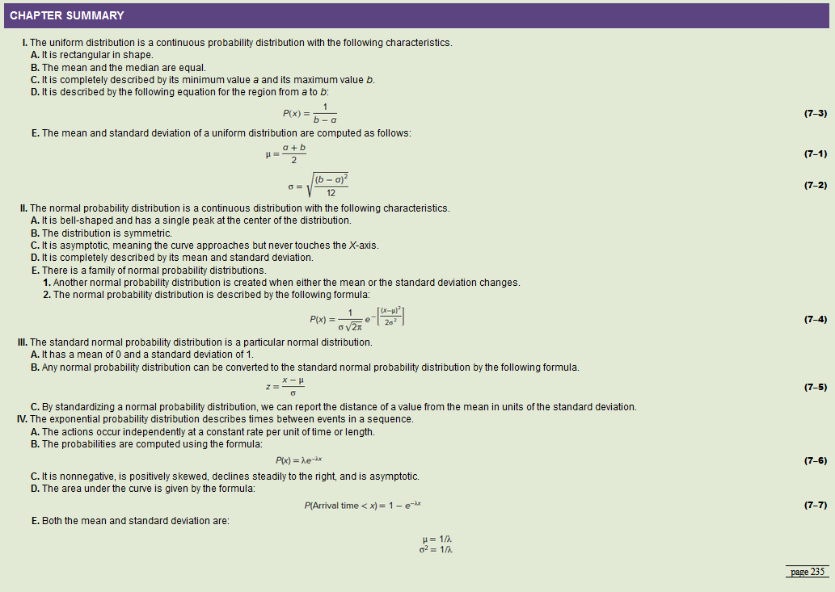

 | 1

Uniform Distribution
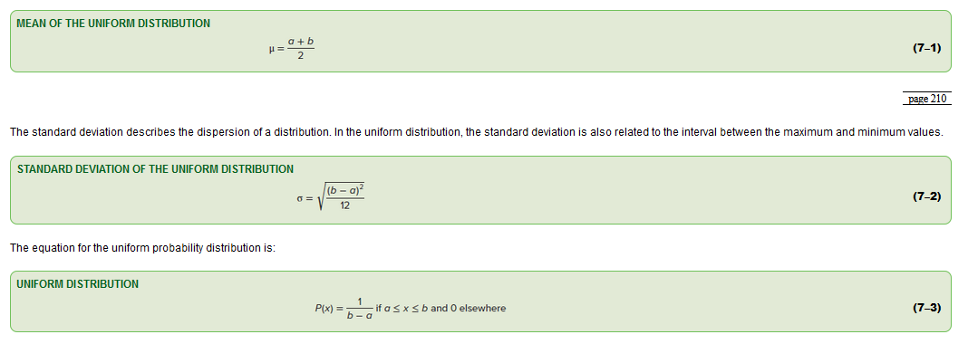
Uniform Probability Distribution |  |  | Ex3. The closing price of Schnur Sporting Goods Inc. common stock is uniformly distributed between $20 and $30 per share. What is the probability that the stock price will be:
 |  |  |  | a. More than $27? |  |  |  | b. Less than or equal to $24?
 |  |  |  |  | a | 20 |  |  | a | 20
 |  |  |  |  | b | 30 |  |  | b | 30
 |  |  |  |  | x | 27 |  |  | x | 24

 |  |  |  |  | mean | 25.0000 |  |  | mean | 25.0000
 |  |  |  |  | variance | 8.3333 |  |  | variance | 8.3333
 |  |  |  |  | std_dev | 2.8868 |  |  | std_dev | 2.8868
 |  |  |  |  | P(27) | 0.1000 |  |  | P(24) | 0.1000
 |  |  |  |  | P(>27) | 0.3000 |  |  | P(>24) | 0.6000
 |  |  |  |  | P(<=27) | 0.7000 |  |  | P(<=24) | 0.4000

 |  |  | Ex5. The April rainfall in Flagstaff, Arizona, follows a uniform distribution between 0.5 and 3.00 inches.
 |  |  |  |  | a. What are the values for a and b?
 |  |  |  |  | b. What is the mean amount of rainfall for the month? What is the standard deviation?
 |  |  |  |  | c. What is the probability of less than an inch of rain for the month?
 |  |  |  |  | d. What is the probability of exactly 1.00 inch of rain?
 |  |  |  |  | e. What is the probability of more than 1.50 inches of rain for the month?

 |  |  |  | a | 0.5000 | a | a | 0.5000
 |  |  |  | b | 3.0000 | a | b | 3.0000
 |  |  |  | x | 1 |  | x | 1.5

 |  |  |  | mean | 1.7500 | b | mean | 1.7500
 |  |  |  | variance | 0.5208 |  | variance | 0.5208
 | a | 2 |  | std_dev | 0.7217 | b | std_dev | 0.7217
 | b | 6 |  | P(1) | 0.4000 | d | P(1.5) | 0.4000
 | x | 2 |  | P(>1) | 0.8000 |  | P(>1.5) | 0.6000 | e
 |  |  |  | P(<=1) | 0.2000 | c | P(<=1.5) | 0.4000
 | mean | 4.0000
 | variance | 1.3333 | Ex35. If a continuous random variable, x, is uniformly distributed with a minimum value of 5 and a maximum value of 25:
 | std_dev | 1.1547 |  | a. What is the probability that x = 10? Why? |  |  |  | b. What is the probability that x = 13.4? Why?
 | P(2) | 0.2500
 | P(>2) | 1.0000 |  | a | 5 |  |  | a | 5
 | P(<=2) | 0.0000 |  | b | 25 |  |  | b | 25
 |  |  |  | x | 10 |  |  | x | 13.4

 |  |  |  | mean | 15.0000 |  |  | mean | 15.0000
 |  |  |  | variance | 33.3333 |  |  | variance | 33.3333
 |  |  |  | std_dev | 5.7735 |  |  | std_dev | 5.7735
 |  |  |  | P(10) | 0.0500 |  |  | P(13.4) | 0.0500
 |  |  |  | P(>10) | 0.7500 |  |  | P(>13.4) | 0.5800
 |  |  |  | P(<=10) | 0.2500 |  |  | P(<=13.4) | 0.4200

 |  |  | Ex37. The amount of cola in a 12-ounce can is uniformly distributed between 11.96 ounces and 12.05 ounces.
 |  |  |  | 12.0050 | a. What is the mean amount per can?
 |  |  |  | 0.0260 | b. What is the standard deviation amount per can?
 |  |  |  | 0.4444 | c. What is the probability of selecting a can of cola and finding it has less than 12 ounces?
 |  |  |  | 0.7778 | d. What is the probability of selecting a can of cola and finding it has more than 11.98 ounces?
 |  |  |  | 11.6667 | e. What is the probability of selecting a can of cola and finding it has more than 11.00 ounces?

 |  |  |  | a | 11.96 |  | a | 11.96 |  | a | 11.96
 |  |  |  | b | 12.05 |  | b | 12.05 |  | b | 12.05
 |  |  |  | x | 12 |  | x | 11.98 |  | x | 11

 |  |  |  | mean | 12.0050 |  | mean | 12.0050 |  | mean | 12.0050
 |  |  |  | variance | 0.0007 |  | variance | 0.0007 |  | variance | 0.0007
 |  |  |  | std_dev | 0.0260 |  | std_dev | 0.0260 |  | std_dev | 0.0260
 |  |  |  | P(12) | 11.1111 |  | P(11.98) | 11.1111 |  | P(11) | 11.1111
 |  |  |  | P(>12) | 0.5556 |  | P(>11.98) | 0.7778 |  | P(>11) | 11.6667
 |  |  |  | P(<=12) | 0.4444 |  | P(<=11.98) | 0.2222 |  | P(<=11) | -10.6667

Normal Distribution
Normal Probability Distribution |  |  |  |  |  |  |  |  |  |  |  | Ex9. The mean of a normal probability distribution is 500; the standard deviation is 10.
 |  |  |  |  |  |  |  |  |  |  |  |  | mean | mu | 500
 |  |  |  |  |  |  |  |  |  |  |  |  | std_dev | sigma | 10

 |  |  |  |  |  |  |  |  |  |  |  |  | Empirical Rule
 |  |  |  |  |  |  |  |  |  |  |  |  | std_devs | % of Obs | a | b
 |  |  |  |  |  |  |  |  |  |  |  |  | 1 | 68% | 490 | 510 | a. About 68% of the observations lie between what two values?
 |  |  |  |  |  |  |  |  |  |  |  |  | 2 | 95% | 480 | 520 | b. About 95% of the observations lie between what two values?
 |  |  |  |  |  |  |  |  |  |  |  |  | 3 | 100% | 470 | 530 | c. Practically all of the observations lie between what two values?

 |  |  |  |  |  |  |  |  |  |  |  | Ex15. The mean hourly pay of an American Airlines flight attendant is normally distributed with a mean of $29.81 per hour and a standard deviation of $9.31 per hour. What is the probability that the hourly pay of a randomly selected flight attendant:
 |  |  |  |  |  |  |  |  |  |  |  |  | mean | mu | 29.8100 |  |  |  |  | mean | mu | 29.8100
 |  |  |  |  |  |  |  |  |  |  |  |  | std_dev | sigma | 9.3100 |  |  |  |  | std_dev | sigma | 9.3100
 |  |  |  |  |  |  |  |  |  |  |  |  | x |  | 35.0000 |  |  |  |  | x |  | 20.0000
 |  |  |  |  |  |  |  |  |  |  |  |  | z_value |  | 0.56 |  |  |  |  | z_value |  | -1.05
 |  |  |  |  |  |  |  |  |  |  |  |  | P(29.81<=x<=35) |  | 0.2114 | a. Is between the mean and $35.00 per hour? |  |  |  | P(29.81<=x<=20) |  | 0.3540
 |  |  |  |  |  |  |  |  |  |  |  |  | P(x>35) |  | 0.2886 | b. Is more than $35.00 per hour? |  |  |  | P(x>20) |  | 0.8540
 |  |  |  |  |  |  |  |  |  |  |  |  | P(x<35) |  | 0.7114 |  |  |  |  | P(x<20) |  | 0.1460 | c. Is less than $20.00 per hour?

 |  |  |  |  |  |  |  |  |  |  |  | Ex19. The Internal Revenue Service repored the average refund in 2017 was $2,878 with a standard deviation of $520. Assume the amount refunded is normally distributed.
 |  |  |  |  |  |  |  |  |  |  |  |  | a. What percentage of the refunds are more than $3,500? |  |  |  |  |  |  | 11.58%
 |  |  |  |  |  |  |  |  |  |  |  |  | b. What percentage of the refunds are more than $3,500 but less than $4,000? |  |  |  |  |  |  | 10.03%
 |  |  |  |  |  |  |  |  |  |  |  |  | c. What percentage of the refunds are more than $2,400 but less than $4,000? |  |  |  |  |  |  | 80.55%

 |  |  |  |  |  |  |  |  |  |  |  |  | mean | mu | 2878.0000 |  | mean | mu | 2878.0000 |  | mean | mu | 2878.0000
 |  |  |  |  |  |  |  |  |  |  |  |  | std_dev | sigma | 520.0000 |  | std_dev | sigma | 520.0000 |  | std_dev | sigma | 520.0000
 |  |  |  |  |  |  |  |  |  |  |  |  | x |  | 3500.0000 |  | x |  | 4000.0000 |  | x |  | 2400.0000
 |  |  |  |  |  |  |  |  |  |  |  |  | x is greater than the mean. |  |  |  | x is greater than the mean. |  |  |  | x is less than the mean.
 |  |  |  |  |  |  |  |  |  |  |  |  | z_value |  | 1.20 |  | z_value |  | 2.16 |  | z_value |  | -0.92
 |  |  |  |  |  |  |  |  |  |  |  |  | P(2878<=x<=3500) |  | 0.3842 |  | P(2878<=x<=4000) |  | 0.4845 |  | P(2878<=x<=2400) |  | 0.3210
 |  |  |  |  |  |  |  |  |  |  |  |  | P(x>3500) |  | 0.1158 |  | P(x>4000) |  | 0.0155 |  | P(x>2400) |  | 0.8210
Standard Normal Probability Distribution |  |  |  |  |  |  |  |  |  |  |  |  | P(x<3500) |  | 0.8842 |  | P(x<4000) |  | 0.9845 |  | P(x<2400) |  | 0.1790

 |  |  |  |  |  |  |  |  |  |  |  | Ex43. In 2018, the U.S. Department of Agriculture issued a report indicating a family of four spent an average of $1,054.50 per month on food.
 |  |  |  |  |  |  |  |  |  |  |  |  | This is for a family of four (two parents aged 19 to 50) and two children (one whose age is between 6 and 8 years and one between 9 and 11 years).
 |  |  |  |  |  |  |  |  |  |  |  |  | Assume the distribution of food expenditures for a family of four follows the normal distribution with a standard deviation of $120 per month.

 |  |  |  |  |  |  |  |  |  |  |  |  | a. What percent of the families spend more than $900 but less than $1,054.50 per month on food? |  |  |  |  |  |  |  |  | 0.4010
 |  |  |  |  |  |  |  |  |  |  |  |  | b. What percent of the families spend less than $900 per month on food? |  |  |  |  |  |  |  |  | 0.0990
 |  |  |  |  |  |  |  |  |  |  |  |  | c. What percent spend between $900 and $1,200 per month on food? |  |  |  |  |  |  |  |  | 0.7884
 |  |  |  |  |  |  |  |  |  |  |  |  | d. What percent spend between $900 and $1,000 per month on food? |  |  |  |  |  |  |  |  | 0.2259

 |  |  |  |  |  |  |  |  |  |  |  |  | mean | mu | 1054.5000 |  | mean | mu | 1054.5000 |  | mean | mu | 1054.5000
 |  |  |  |  |  |  |  |  |  |  |  |  | std_dev | sigma | 120.0000 |  | std_dev | sigma | 120.0000 |  | std_dev | sigma | 120.0000
 |  |  |  |  |  |  |  |  |  |  |  |  | x |  | 900.0000 |  | x |  | 1200.0000 |  | x |  | 1000.0000
 |  |  |  |  |  |  |  |  |  |  |  |  | x is less than the mean. |  |  |  | x is greater than the mean. |  |  |  | x is less than the mean.
 |  |  |  |  |  |  |  |  |  |  |  |  | z_value |  | -1.29 |  | z_value |  | 1.21 |  | z_value |  | -0.45
 |  |  |  |  |  |  |  |  |  |  |  |  | P(1054.5<=x<=900) |  | 0.4010 |  | P(1054.5<=x<=1200) |  | 0.3873 |  | P(1054.5<=x<=1000) |  | 0.1751
Empirical Rule |  |  |  |  |  |  |  |  |  |  |  |  | P(x>900) |  | 0.9010 |  | P(x>1200) |  | 0.1127 |  | P(x>1000) |  | 0.6751
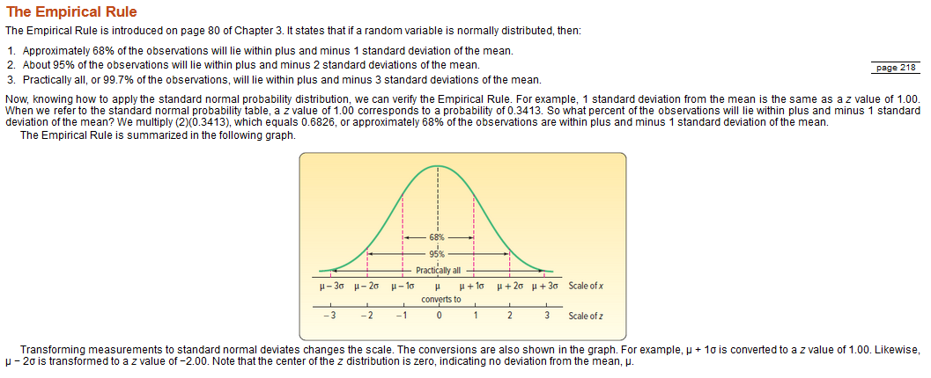
 |  |  |  |  |  |  |  |  |  |  |  |  | P(x<900) |  | 0.0990 |  | P(x<1200) |  | 0.8873 |  | P(x<1000) |  | 0.3249

 |  |  |  |  |  |  |  |  |  |  |  | Ex47. A recent study reported that Americans spend an average of 270 minutes per day watching TV. Assume the distribution of minutes per day watching TV follows a normal distribution with a standard deviation of 23 minutes.
 |  |  |  |  |  |  |  |  |  |  |  |  | 0.0961 | a. What percent of the population watch more than 300 minutes per day?
 |  |  |  |  |  |  |  |  |  |  |  |  | 0.9851 | b. What percent of the population watch more than 220 minutes per day?
 |  |  |  |  |  |  |  |  |  |  |  |  | 0.8891 | c. What percent of the population watch between 220 minutes and 300 minutes?
 |  |  |  |  |  |  |  |  |  |  |  |  |  | d. Let’s define a “binge watcher” as someone in the upper 5% of the distribution of minutes watching TV. How many minutes does a “binge watcher” spend per day watching TV?

 |  |  |  |  |  |  |  |  |  |  |  |  | mean | mu | 270.0000 |  | mean | mu | 270.0000 |  | mean | mu | 270.0000
 |  |  |  |  |  |  |  |  |  |  |  |  | std_dev | sigma | 23.0000 |  | std_dev | sigma | 23.0000 |  | std_dev | sigma | 23.0000
 |  |  |  |  |  |  |  |  |  |  |  |  | x |  | 300.0000 |  | x |  | 220.0000 |  | x
 |  |  |  |  |  |  |  |  |  |  |  |  | x is greater than the mean. |  |  |  | x is less than the mean. |  |  |  | x is less than the mean.
 |  |  |  |  |  |  |  |  |  |  |  |  | z_value |  | 1.30 |  | z_value |  | -2.17 |  | z_value |  | -11.74
 |  |  |  |  |  |  |  |  |  |  |  |  | P(270<=x<=300) |  | 0.4039 |  | P(270<=x<=220) |  | 0.4851 |  | P(270<=x<=) |  | 0.5000
 |  |  |  |  |  |  |  |  |  |  |  |  | P(x>300) |  | 0.0961 |  | P(x>220) |  | 0.9851 |  | P(x>) |  | 1.0000
 |  |  |  |  |  |  |  |  |  |  |  |  | P(x<300) |  | 0.9039 |  | P(x<220) |  | 0.0149 |  | P(x<) |  | 0.0000

 |  |  |  |  |  |  |  |  |  |  |  |  |  |  |  |  |  |  |  |  | percentile |  | 5.00%
 |  |  |  |  |  |  |  |  |  |  |  |  |  |  |  |  |  |  |  |  | area under the curve |  | 0.4500
 |  |  |  |  |  |  |  |  |  |  |  |  |  |  |  |  |  |  |  |  | z_value |  | 1.6400 | per z_table
 |  |  |  |  |  |  |  |  |  |  |  |  |  |  |  |  |  |  |  |  | x |  | 307.72

 | mean | mu | 10.2000 |  | mean | mu | 10.2000
 | std_dev | sigma | 25.0663 |  | std_dev | sigma | 25.0663
 | x |  | 3.0000 |  | x |  | 6.0000
 | x is less than the mean. |  |  |  | x is less than the mean. |  |  |  |  |  | 10
 | z_value |  | -0.29 |  | z_value |  | -0.17 |  |  |  | 2.5066282746
 | P(10.2<=x<=3) |  | 0.1130 |  | P(10.2<=x<=6) |  | 0.0665 |  | 0.0465 | sigma | 25.066282746
 | P(x>3) |  | 0.6130 |  | P(x>6) |  | 0.5665 |  |  | mu | -10.209982433
 | P(x<3) |  | 0.3870 |  | P(x<6) |  | 0.4335 |  | 0.0465
 |  |  |  |  |  |  |  |  |  | x | 1
 | percentile |  | 5.00% |  | percentile |  | 5.00% |  |  |  | 0.31622776602
 | area under the curve |  | 0.4500 |  | area under the curve |  | 0.4500 |  |  |  | 35.449077018
 | z_value |  | 1.6400 | per z_table | z_value |  | 1.6400 | per z_table |  |  | 11.209982433
 | x |  | 51.308703704 |  | x |  | 51.308703704

Exponential Distribution
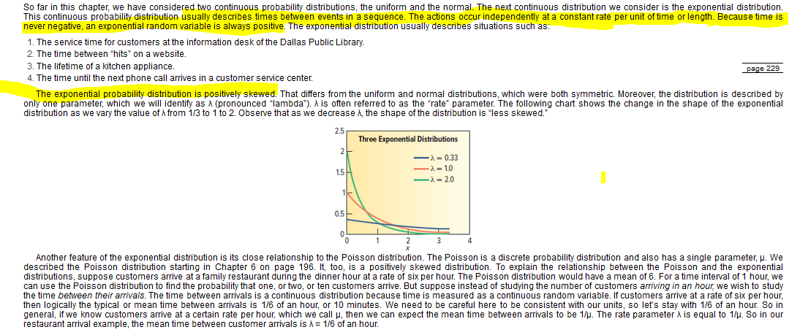
Exponential Probability Distribution |  |  |  | Ex33. The Bureau of Labor Statistics’ American Time Use Survey, www.bls.gov/data, showed that the amount of time spent using a computer for leisure varied greatly by age.
 |  |  |  |  | Individuals age 75 and over averaged 0.3 hour (18 minutes) per day using a computer for leisure. Individuals ages 15 to 19 spend 1.0 hour per day using a computer for leisure.
 |  |  |  |  | If these times follow an exponential distribution, find the proportion of each group that spends:

 |  |  |  |  | a. Less than 15 minutes per day using a computer for leisure. |  |  |  |  | b. More than 2 hours. |  |  |  | c. Between 30 minutes and 90 minutes using a computer for leisure. |  |  |  | d. Find the 20th percentile. Eighty percent spend more than what amount of time?
 |  |  |  |  |  |  | 75 and over | 15 to 19 |  |  |  | 75 and over | 15 to 19 |  |  | 75 and over | 15 to 19 |  |  | 75 and over | 15 to 19
 |  |  |  |  | mean | mu | 18 | 60 |  | mean | mu | 18 | 60 | mean | mu | 18 | 60 | mean | mu | 18 | 60
 |  |  |  |  | x |  | 15 | 15 |  | x |  | 120 | 120 | x |  | 30 | 30 | x |  | 0 | 0
 |  |  |  |  | rate | lambda | 0.0556 | 0.0167 |  | rate | lambda | 0.0556 | 0.0167 | rate | lambda | 0.0556 | 0.0167 | rate | lambda | 0.0556 | 0.0167
 |  |  |  |  |  |  | 0.5654 | 0.2212 |  |  |  | 0.9987 | 0.8647 |  |  | 0.8111 | 0.3935 |  |  | 0.0000 | 0.0000
 |  |  |  |  |  | P(<15) | 0.5654 | 0.2212 |  |  | P(<120) | 0.9987 | 0.8647 |  | P(<30) | 0.8111 | 0.3935 |  | P(<0) | 0.0000 | 0.0000
 |  |  |  |  |  | P(>15) | 0.4346 | 0.7788 |  |  | P(>120) | 0.0013 | 0.1353 |  | P(>30) | 0.1889 | 0.6065 |  | P(>0) | 1.0000 | 1.0000

 |  |  |  |  |  |  | 75 and over | 15 to 19 |  |  |  | 75 and over | 15 to 19 |  |  | 75 and over | 15 to 19 |  |  | 75 and over | 15 to 19
 |  |  |  |  | mean | mean | 18 | 60 |  | mean | mean | 18 | 60 | mean | mean | 18 | 60 | mean | mean | 18 | 60
 |  |  |  |  | x |  | 0 | 0 |  | x |  | 0 | 0 | x |  | 90 | 90 | x |  | 90 | 90
 |  |  |  |  | rate | lambda | 0.0556 | 0.0167 |  | rate | lambda | 0.0556 | 0.0167 | rate | lambda | 0.0556 | 0.0167 | rate | lambda | 0.0556 | 0.0167
 |  |  |  |  |  |  | 0.0000 | 0.0000 |  |  |  | 0.0000 | 0.0000 |  |  | 0.9933 | 0.7769 |  |  | 0.9933 | 0.7769
 |  |  |  |  |  | P(<0) | 0.0000 | 0.0000 |  |  | P(<0) | 0.0000 | 0.0000 |  | P(<90) | 0.9933 | 0.7769 |  | P(<90) | 0.9933 | 0.7769
 |  |  |  |  |  | P(>0) | 1.0000 | 1.0000 |  |  | P(>0) | 1.0000 | 1.0000 |  | P(>90) | 0.0067 | 0.2231 |  | P(>90) | 0.0067 | 0.2231

 |  |  |  |  |  | P(15 < x < 0) | -0.5654 | -0.2212 |  |  | P(120 < x < 0) | -0.9987 | -0.8647 |  | P(30 < x < 90) | 0.1821 | 0.3834 |  | P(0 < x < 90) | 0.9933 | 0.7769

 |  |  |  |  | percentile | percentile | 0.0000 | 0.0000 |  | percentile | percentile | 0.0000 | 0.0000 | percentile | percentile | 0.0000 | 0.0000 | percentile | percentile | 0.2000 | 0.2000
 |  |  |  |  |  |  | 0.0000 | 0.0000 |  |  |  | 0.0000 | 0.0000 |  |  | 0.0000 | 0.0000 |  |  | 4.0166 | 13.3886

 |  |  |  | Ex57. “Boot time” (the time between the appearance of the Bios screen to the first file that is loaded in Windows) on Eric Mouser’s personal computer follows an exponential distribution with a mean of 27 seconds. What is the probability his “boot” will require:

 |  |  |  |  | 0.4262 | a. Less than 15 seconds?
 |  |  |  |  | 0.1084 | b. More than 60 seconds?
 |  |  |  |  | 0.1403 | c. Between 30 and 45 seconds?
 |  |  |  |  | 2.8447 | d. What is the point below which only 10% of the boots occur?

 |  |  |  |  |  | mean | mu | 27 | mean | mu | 27
 |  |  |  |  |  | x |  | 15 | x |  | 30
 |  |  |  |  |  | rate | lambda | 0.0370 | rate | lambda | 0.0370
 |  |  |  |  |  |  |  | 0.4262 |  |  | 0.6708
 |  |  |  |  |  |  | P(<15) | 0.4262 |  | P(<30) | 0.6708
 |  |  |  |  |  |  | P(>15) | 0.5738 |  | P(>30) | 0.3292

 |  |  |  |  |  | mean | mean | 27 | mean | mean | 27
 |  |  |  |  |  | x |  | 60 | x |  | 45
 |  |  |  |  |  | rate | lambda | 0.0370 | rate | lambda | 0.0370
 |  |  |  |  |  |  |  | 0.8916 |  |  | 0.8111
 |  |  |  |  |  |  | P(<60) | 0.8916 |  | P(<45) | 0.8111
 |  |  |  |  |  |  | P(>60) | 0.1084 |  | P(>45) | 0.1889
 | mean | mu | 10
 | x |  | 3 |  |  |  | P(15 < x < 60) | 0.4654 |  | P(30 < x < 45) | 0.1403
 | rate | lambda | 0.1000
 |  |  | 0.2592 |  |  | percentile | percentile | 0.0000 | percentile | percentile | 0.1000
 |  | P(<3) | 0.2592 |  |  |  |  | 0.0000 |  |  | 2.8447
 |  | P(>3) | 0.7408

 | mean | mean | 10
 | x |  | 6
 | rate | lambda | 0.1000
 |  |  | 0.4512
 |  | P(<6) | 0.4512
 |  | P(>6) | 0.5488

 |  | P(3 < x < 6) | 0.1920

 | percentile | percentile | 0.1000
 |  |  | 1.0536

Ch 8 Sampling and Central Limit
Sampling Methods |  |  |  | Ex7. A population consists of the following five values: 12, 12, 14, 15, and 20.
 |  |  |  |  | a. List all samples of size 3, and compute the mean of each sample.
 |  |  |  |  | population | 1 |  | samples | 1 | 2 | 3 | 4 | 5 | 6 | 7 | 8
 |  |  |  |  | a | 12 |  | a | 12 | 12 | 12 | 12 | 12 | 12 | 12 | 14
 |  |  |  |  | b | 12 |  | b | 12 | 12 | 12 | 14 | 15 | 14 | 15 | 15
 |  |  |  |  | c | 14 |  | c | 14 | 15 | 20 | 20 | 20 | 20 | 20 | 20
 |  |  |  |  | d | 15 |  | mean | 12.6667 | 13.0000 | 14.6667 | 15.3333 | 15.6667 | 15.3333 | 15.6667 | 16.3333 | 14.8333
 |  |  |  |  | e | 20 |  | variance | 1.3333 | 3.0000 | 21.3333 | 17.3333 | 16.3333 | 17.3333 | 16.3333 | 10.3333 | 1.5278
 |  |  |  |  | mean | 14.6000 |  | std_dev | 1.1547 | 1.7321 | 4.6188 | 4.1633 | 4.0415 | 4.1633 | 4.0415 | 3.2146 | 1.2360
 |  |  |  |  | variance | 8.6400 |  | coeff_var | 0.0912 | 0.1332 | 0.3149 | 0.2715 | 0.2580 | 0.2715 | 0.2580 | 0.1968 | 0.0833
 |  |  |  |  | std_dev | 2.9394
Sampling Error |  |  |  |  | coeff_var | 0.2013

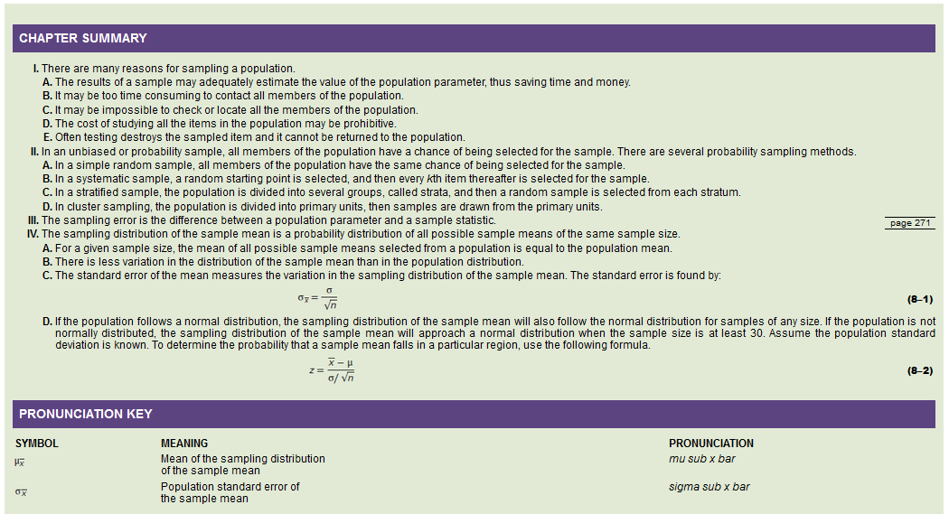
 |  |  |  |  | b. Compute the mean of the distribution of sample means and the population mean. Compare the two values.
 |  |  |  |  |  |  |  |  | mean of dist of sample means | 14.8333
 |  |  |  |  |  |  |  |  | population mean | 14.6000

 |  |  |  |  | c. Compare the dispersion in the population with that of the sample means.
Sampling Distribution of the Sample Mean |  |  |  |  |  |  |  |  | sample means coefficient of variation | 0.0833
 |  |  |  |  |  |  |  |  | population coefficient of variation | 0.2013

 |  |  |  | Ex9. In the law firm Tybo and Associates, there are six partners.
 |  |  |  |  | Listed is the number of cases each partner actually tried in
 |  |  |  |  | court last month.

 |  |  |  |  | population |  |  | sample | a | b | c | mean | variance | std_dev |  | a. How many different samples of size 3 are possible?
 |  |  |  |  | Partner | Number of Cases |  | 1 | 3 | 6 | 3 | 4.0000 | 3.0000 | 1.7321 |  |  | n | 6
 |  |  |  |  | Ruud | 3 |  | 2 | 3 | 6 | 3 | 4.0000 | 3.0000 | 1.7321 |  |  | r | 3
 |  |  |  |  | Wu | 6 |  | 3 | 3 | 6 | 0 | 3.0000 | 9.0000 | 3.0000 |  |  | nCr | 20
 |  |  |  |  | Sass | 3 |  | 4 | 3 | 6 | 1 | 3.3333 | 6.3333 | 2.5166
 |  |  |  |  | Flores | 3 |  | 5 | 3 | 3 | 3 | 3.0000 | 0.0000 | 0.0000 |  | b. List all possible samples of size 3, and compute the mean number of cases in each sample.
 |  |  |  |  | Wilhelms | 0 |  | 6 | 3 | 3 | 0 | 2.0000 | 3.0000 | 1.7321 |  |  | to the left
 |  |  |  |  | Schueller | 1 |  | 7 | 3 | 3 | 1 | 2.3333 | 1.3333 | 1.1547 |  | c. Compare the mean of the distribution of sample means to the population mean.
 |  |  |  |  | mean | 2.6667 |  | 8 | 3 | 0 | 3 | 2.0000 | 3.0000 | 1.7321 |  |  |  |  | mean of the dist of sample means | 2.6667
 |  |  |  |  | variance | 3.5556 |  | 9 | 3 | 3 | 1 | 2.3333 | 1.3333 | 1.1547 |  |  |  |  | population mean | 2.6667
 |  |  |  |  | std_dev | 1.8856 |  | 10 | 3 | 0 | 1 | 1.3333 | 2.3333 | 1.5275 |  | d. On a chart similar to Chart 8–2, compare the dispersion in the population with that of the sample means."
 |  |  |  |  | coeff_var | 0.7071 |  | 11 | 6 | 3 | 3 | 4.0000 | 3.0000 | 1.7321 |  |  | Population |  |  |  | Sample Means
 |  |  |  |  |  |  |  | 12 | 6 | 3 | 0 | 3.0000 | 9.0000 | 3.0000
 |  |  |  |  |  |  |  | 13 | 6 | 3 | 1 | 3.3333 | 6.3333 | 2.5166
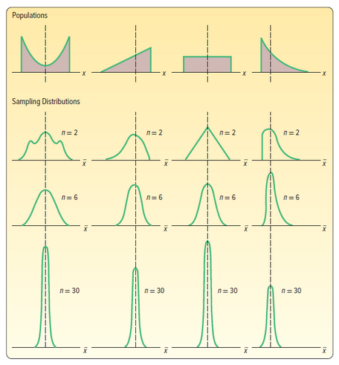
 |  |  |  |  |  |  |  | 14 | 6 | 3 | 0 | 3.0000 | 9.0000 | 3.0000
 | pop_mean | 6.5000 | mu |  |  |  |  | 15 | 6 | 3 | 1 | 3.3333 | 6.3333 | 2.5166
 | pop_std_dev | 2.1000 | sigma |  |  |  |  | 16 | 6 | 0 | 1 | 2.3333 | 10.3333 | 3.2146
 | sample_observations | 81.0000 | n |  |  |  |  | 17 | 3 | 3 | 0 | 2.0000 | 3.0000 | 1.7321
 | high_sample_mean | 7.0000 | x_bar |  |  |  |  | 18 | 3 | 3 | 1 | 2.3333 | 1.3333 | 1.1547
 | pop_variance | 4.4100 | sigma-sqared |  |  |  |  | 19 | 3 | 0 | 1 | 1.3333 | 2.3333 | 1.5275
 | std error of the mean | 0.2333 | sigma / sqrt(n) |  |  |  |  | 20 | 3 | 0 | 1 | 1.3333 | 2.3333 | 1.5275
 | z_value | 2.1429 | (x_bar - mu) / (sigma / sqrt(n)) |  |  |  |  |  |  |  | mean of the dist of sample means | 2.6667
 | area_under_curve | 0.4839 | per z_table |  |  |  |  |  |  |  | variance | 0.7111
 | P(6.5<=x<=7) | 0.4839 |  |  |  |  |  |  |  |  | std_dev | 0.8433
 | P(>7) | 0.0161 |  |  |  |  |  |  |  |  | coeff_var | 0.3162
 | P(<7) | 0.9839
 |  |  |  | Ex31. Power + Inc. produces AA batteries used in remote-controlled toy cars. The mean life of
 | pop_mean | 6.5000 | mu |  | these batteries follows the normal probability distribution with a mean of 35.0 hours
 | pop_std_dev | 2.1000 | sigma |  | and a standard deviation of 5.5 hours. As a part of its quality assurance program,
 | sample_observations | 81.0000 | n |  | Power +, Inc. tests samples of 25 batteries.
 | low_sample_mean | 6.0000 | x_bar |  |  | a. What can you say about the shape of the distribution of the sample mean?
 | pop_variance | 4.4100 | sigma-sqared |  | 1.1000 | b. What is the standard error of the distribution of the sample mean?
 | std error of the mean | 0.2333 | sigma / sqrt(n) |  | 0.1817 | c. What proportion of the samples will have a mean useful life of more than 36 hours?
 | z_value | -2.1429 | (x_bar - mu) / (sigma / sqrt(n)) |  | 0.6753 | d. What proportion of the samples will have a mean useful life greater than 34.5 hours?
 | area_under_curve | -0.4839 | per z_table |  | 0.4936 | e. What proportion of the samples will have a mean useful life between 34.5 and 36.0 hours?
 | P(6<=x<=6.5) | 0.4839 |  |  | 0.3633 | f. What is the probability that the sampling error would be less than or more than 1 hour?
 | P(>6) | 0.9839
 | P(<6) | 0.0161 |  |  |  |  | pop_mean | 35.0000 | mu
 |  |  |  |  |  |  | pop_std_dev | 5.5000 | sigma
 | P(6<=x<=7) | 0.9679 |  |  |  |  | sample_observations | 25.0000 | n
 |  |  |  |  |  |  | high_sample_mean | 36.0000 | x_bar
 | sampling_error_limit | 0.25 |  |  |  |  | pop_variance | 30.2500 | sigma-sqared
 | low_sample_mean | 6.2500 |  |  |  |  | std error of the mean | 1.1000 | sigma / sqrt(n)
 | high_sample_mean | 6.7500 |  |  |  |  | z_value | 0.9091 | (x_bar - mu) / (sigma / sqrt(n))
 | low_z_value | -1.0714 |  |  |  |  | area_under_curve | 0.3183 | per z_table
 | high_z_value | 1.0714 |  |  |  |  | P(35<=x<=36) | 0.3183
 | low_area_under_curve | -0.3580 | per z_table |  |  |  | P(>36) | 0.1817
 | high_area_under_curve | 0.3580 | per z_table |  |  |  | P(<36) | 0.8183
 | P(x<6.25) | 0.1420
 | P(x>6.75) | 0.1420 |  |  |  |  | pop_mean | 35.0000 | mu
 | P(x<6.25) or P(x>6.75) | 0.2840 |  |  |  |  | pop_std_dev | 5.5000 | sigma
 | P(6.25<=x<=6.75) | 0.7160 |  |  |  |  | sample_observations | 25.0000 | n
 |  |  |  |  |  |  | low_sample_mean | 34.5000 | x_bar
 |  |  |  |  |  |  | pop_variance | 30.2500 | sigma-sqared
 |  |  |  |  |  |  | std error of the mean | 1.1000 | sigma / sqrt(n)
 |  |  |  |  |  |  | z_value | -0.4545 | (x_bar - mu) / (sigma / sqrt(n))
 |  |  |  |  |  |  | area_under_curve | -0.1753 | per z_table
 |  |  |  |  |  |  | P(34.5<=x<=35) | 0.1753
 |  |  |  |  |  |  | P(>34.5) | 0.6753
 |  |  |  |  |  |  | P(<34.5) | 0.3247

 |  |  |  |  |  |  | P(34.5<=x<=36) | 0.4936

 |  |  |  |  |  |  | sampling_error_limit | 1
 |  |  |  |  |  |  | low_sample_mean | 34.0000
 |  |  |  |  |  |  | high_sample_mean | 36.0000
 |  |  |  |  |  |  | low_z_value | -0.9091
 |  |  |  |  |  |  | high_z_value | 0.9091
 |  |  |  |  |  |  | low_area_under_curve | -0.3183 | per z_table
 |  |  |  |  |  |  | high_area_under_curve | 0.3183 | per z_table
 |  |  |  |  |  |  | P(x<34) | 0.1817
 |  |  |  |  |  |  | P(x>36) | 0.1817
 |  |  |  |  |  |  | P(x<34) or P(x>36) | 0.3633
 |  |  |  |  |  |  | P(34<=x<=36) | 0.6367

 |  |  |  | Ex33. Recent studies indicate that the typical 50-year-old woman spends
 |  |  |  |  | $350 per year for personal-care products. The distribution of the
 |  |  |  |  | amounts spent follows a normal distribution with a standard deviation
 |  |  |  |  | of $45 per year. We select a random sample of 40 women. The mean amount
 |  |  |  |  | spent for those sampled is $335.

 |  |  |  |  | What is the likelihood of finding a sample mean this large or larger from the specified population?
 |  |  |  |  |  |  | pop_mean | 350.0000 | mu
 |  |  |  |  |  |  | pop_std_dev | 45.0000 | sigma
 |  |  |  |  |  |  | sample_observations | 40.0000 | n
 |  |  |  |  |  |  | high_sample_mean | 335.0000 | x_bar
 |  |  |  |  |  |  | pop_variance | 2025.0000 | sigma-sqared
 |  |  |  |  |  |  | std error of the mean | 7.1151 | sigma / sqrt(n)
 |  |  |  |  |  |  | z_value | -2.1082 | (x_bar - mu) / (sigma / sqrt(n))
 |  |  |  |  |  |  | area_under_curve | -0.4825 | per z_table
 |  |  |  |  |  |  | P(335<=x<=350) | 0.4825
 |  |  |  |  |  |  | P(>335) | 0.9825
 |  |  |  |  |  |  | P(<335) | 0.0175

 |  |  |  |  |  |  | pop_mean | 350.0000 | mu
 |  |  |  |  |  |  | pop_std_dev | 45.0000 | sigma
 |  |  |  |  |  |  | sample_observations | 40.0000 | n
 |  |  |  |  |  |  | low_sample_mean | 0.0000 | x_bar
 |  |  |  |  |  |  | pop_variance | 2025.0000 | sigma-sqared
 |  |  |  |  |  |  | std error of the mean | 7.1151 | sigma / sqrt(n)
 |  |  |  |  |  |  | z_value | -49.1910 | (x_bar - mu) / (sigma / sqrt(n))
 |  |  |  |  |  |  | area_under_curve | -0.5000 | per z_table
 |  |  |  |  |  |  | P(0<=x<=350) | 0.5000
 |  |  |  |  |  |  | P(>0) | 1.0000
 |  |  |  |  |  |  | P(<0) | 0.0000

 |  |  |  |  |  |  | P(0<=x<=335) | 0.0175

 |  |  |  |  |  |  | sampling_error_limit
 |  |  |  |  |  |  | low_sample_mean | 350.0000
 |  |  |  |  |  |  | high_sample_mean | 350.0000
 |  |  |  |  |  |  | low_z_value | 0.0000
 |  |  |  |  |  |  | high_z_value | 0.0000
 |  |  |  |  |  |  | low_area_under_curve | 0.0000 | per z_table
 |  |  |  |  |  |  | high_area_under_curve | 0.0000 | per z_table
 |  |  |  |  |  |  | P(x<350) | 0.5000
 |  |  |  |  |  |  | P(x>350) | 0.5000
 |  |  |  |  |  |  | P(x<350) or P(x>350) | 1.0000
 |  |  |  |  |  |  | P(350<=x<=350) | 0.0000

 |  |  |  | Ex35. In the United States, the mean age of men when they marry for the
 |  |  |  |  | first time follows the normal distribution with a mean of 29 years.
 |  |  |  |  | The standard deviation of the distribution is 2.5 years. For a random
 |  |  |  |  | sample of 60 men, what is the likelihood that the age when they were
 |  |  |  |  | first married is less than 29.3. years?
 |  |  |  |  |  | pop_mean | 29.0000 | mu
 |  |  |  |  |  | pop_std_dev | 2.5000 | sigma
 |  |  |  |  |  | sample_observations | 60.0000 | n
 |  |  |  |  |  | high_sample_mean | 29.3000 | x_bar
 |  |  |  |  |  | pop_variance | 6.2500 | sigma-sqared
 |  |  |  |  |  | std error of the mean | 0.3227 | sigma / sqrt(n)
 |  |  |  |  |  | z_value | 0.9295 | (x_bar - mu) / (sigma / sqrt(n))
 |  |  |  |  |  | area_under_curve | 0.3237 | per z_table
 |  |  |  |  |  | P(29<=x<=29.3) | 0.3237
 |  |  |  |  |  | P(>29.3) | 0.1763
 |  |  |  |  |  | P(<29.3) | 0.8237

 |  |  |  |  |  | pop_mean | 29.0000 | mu
 |  |  |  |  |  | pop_std_dev | 2.5000 | sigma
 |  |  |  |  |  | sample_observations | 60.0000 | n
 |  |  |  |  |  | low_sample_mean | 0.0000 | x_bar
 |  |  |  |  |  | pop_variance | 6.2500 | sigma-sqared
 |  |  |  |  |  | std error of the mean | 0.3227 | sigma / sqrt(n)
 |  |  |  |  |  | z_value | -89.8532 | (x_bar - mu) / (sigma / sqrt(n))
 |  |  |  |  |  | area_under_curve | -0.5000 | per z_table
 |  |  |  |  |  | P(0<=x<=29) | 0.5000
 |  |  |  |  |  | P(>0) | 1.0000
 |  |  |  |  |  | P(<0) | 0.0000

 |  |  |  |  |  | P(0<=x<=29.3) | 0.8237

 |  |  |  |  |  | sampling_error_limit
 |  |  |  |  |  | low_sample_mean | 29.0000
 |  |  |  |  |  | high_sample_mean | 29.0000
 |  |  |  |  |  | low_z_value | 0.0000
 |  |  |  |  |  | high_z_value | 0.0000
 |  |  |  |  |  | low_area_under_curve | 0.0000 | per z_table
 |  |  |  |  |  | high_area_under_curve | 0.0000 | per z_table
 |  |  |  |  |  | P(x<29) | 0.5000
 |  |  |  |  |  | P(x>29) | 0.5000
 |  |  |  |  |  | P(x<29) or P(x>29) | 1.0000
 |  |  |  |  |  | P(29<=x<=29) | 0.0000

 |  |  |  | Ex43. Over the past decade, the mean number of hacking attacks experienced by members of the Information Systems
 |  |  |  |  | Security Association is 510 per year with a standard deviation of 14.28 attacks. The number of attacks per
 |  |  |  |  | year is normally distributed. Suppose nothing in this environment changes.

 |  |  |  |  | 0.00% | a. What is the likelihood this group will suffer an average of more than 600 attacks in the next 10 years?
 |  |  |  |  | 98.66% | b. Compute the probability the mean number of attacks over the next 10 years is between 500 and 600.
 |  |  |  |  | 1.34% | c. What is the possibility they will experience an average of less than 500 attacks over the next 10 years?

 |  |  |  |  |  |  | pop_mean | 510.0000 | mu
 |  |  |  |  |  |  | pop_std_dev | 14.2800 | sigma
 |  |  |  |  |  |  | sample_observations | 10.0000 | n
 |  |  |  |  |  |  | high_sample_mean | 600.0000 | x_bar
 |  |  |  |  |  |  | pop_variance | 203.9184 | sigma-sqared
 |  |  |  |  |  |  | std error of the mean | 4.5157 | sigma / sqrt(n)
 |  |  |  |  |  |  | z_value | 19.9303 | (x_bar - mu) / (sigma / sqrt(n))
 |  |  |  |  |  |  | area_under_curve | 0.5000 | per z_table
 |  |  |  |  |  |  | P(510<=x<=600) | 0.5000
 |  |  |  |  |  |  | P(>600) | 0.0000
 |  |  |  |  |  |  | P(<600) | 1.0000

 |  |  |  |  |  |  | pop_mean | 510.0000 | mu
 |  |  |  |  |  |  | pop_std_dev | 14.2800 | sigma
 |  |  |  |  |  |  | sample_observations | 10.0000 | n
 |  |  |  |  |  |  | low_sample_mean | 500.0000 | x_bar
 |  |  |  |  |  |  | pop_variance | 203.9184 | sigma-sqared
 |  |  |  |  |  |  | std error of the mean | 4.5157 | sigma / sqrt(n)
 |  |  |  |  |  |  | z_value | -2.2145 | (x_bar - mu) / (sigma / sqrt(n))
 |  |  |  |  |  |  | area_under_curve | -0.4866 | per z_table
 |  |  |  |  |  |  | P(500<=x<=510) | 0.4866
 |  |  |  |  |  |  | P(>500) | 0.9866
 |  |  |  |  |  |  | P(<500) | 0.0134

 |  |  |  |  |  |  | P(500<=x<=600) | 0.9866

 |  |  |  |  |  |  | sampling_error_limit
 |  |  |  |  |  |  | low_sample_mean | 510.0000
 |  |  |  |  |  |  | high_sample_mean | 510.0000
 |  |  |  |  |  |  | low_z_value | 0.0000
 |  |  |  |  |  |  | high_z_value | 0.0000
 |  |  |  |  |  |  | low_area_under_curve | 0.0000 | per z_table
 |  |  |  |  |  |  | high_area_under_curve | 0.0000 | per z_table
 |  |  |  |  |  |  | P(x<510) | 0.5000
 |  |  |  |  |  |  | P(x>510) | 0.5000
 |  |  |  |  |  |  | P(x<510) or P(x>510) | 1.0000
 |  |  |  |  |  |  | P(510<=x<=510) | 0.0000

 |  |  |  | Ex45. Nike’s annual report says that the average American buys 6.5 pairs of sports shoes per year.
 |  |  |  |  | Suppose a sample of 81 customers is surveyed and the population standard deviation of sports
 |  |  |  |  | shoes purchased per year is 2.1.

 |  |  |  |  |  | 23.33% | a. What is the standard error of the mean in this experiment?
 |  |  |  |  | P(6<=x<=7) | 96.79% | b. What is the probability that the sample mean is between six and seven pairs of sports shoes?
 |  |  |  |  | P(6.25<=x<=6.75) | 71.60% | c. What is the probability that the difference between the sample mean and the population mean is less than 0.25 pair?
 |  |  |  |  | P(>7) | 1.61% | d. What is the likelihood the sample mean is greater than seven pairs?

 |  |  |  |  |  |  | pop_mean | 6.5000 | mu
 |  |  |  |  |  |  | pop_std_dev | 2.1000 | sigma
 |  |  |  |  |  |  | sample_observations | 81.0000 | n
 |  |  |  |  |  |  | high_sample_mean | 7.0000 | x_bar
 |  |  |  |  |  |  | pop_variance | 4.4100 | sigma-sqared
 |  |  |  |  |  |  | std error of the mean | 0.2333 | sigma / sqrt(n)
 |  |  |  |  |  |  | z_value | 2.1429 | (x_bar - mu) / (sigma / sqrt(n))
 |  |  |  |  |  |  | area_under_curve | 0.4839 | per z_table
 |  |  |  |  |  |  | P(6.5<=x<=7) | 0.4839
 |  |  |  |  |  |  | P(>7) | 0.0161
 |  |  |  |  |  |  | P(<7) | 0.9839

 |  |  |  |  |  |  | pop_mean | 6.5000 | mu
 |  |  |  |  |  |  | pop_std_dev | 2.1000 | sigma
 |  |  |  |  |  |  | sample_observations | 81.0000 | n
 |  |  |  |  |  |  | low_sample_mean | 6.0000 | x_bar
 |  |  |  |  |  |  | pop_variance | 4.4100 | sigma-sqared
 |  |  |  |  |  |  | std error of the mean | 0.2333 | sigma / sqrt(n)
 |  |  |  |  |  |  | z_value | -2.1429 | (x_bar - mu) / (sigma / sqrt(n))
 |  |  |  |  |  |  | area_under_curve | -0.4839 | per z_table
 |  |  |  |  |  |  | P(6<=x<=6.5) | 0.4839
 |  |  |  |  |  |  | P(>6) | 0.9839
 |  |  |  |  |  |  | P(<6) | 0.0161

 |  |  |  |  |  |  | P(6<=x<=7) | 0.9679

 |  |  |  |  |  |  | sampling_error_limit | 0.25
 |  |  |  |  |  |  | low_sample_mean | 6.2500
 |  |  |  |  |  |  | high_sample_mean | 6.7500
 |  |  |  |  |  |  | low_z_value | -1.0714
 |  |  |  |  |  |  | high_z_value | 1.0714
 |  |  |  |  |  |  | low_area_under_curve | -0.3580 | per z_table
 |  |  |  |  |  |  | high_area_under_curve | 0.3580 | per z_table
 |  |  |  |  |  |  | P(x<6.25) | 0.1420
 |  |  |  |  |  |  | P(x>6.75) | 0.1420
 |  |  |  |  |  |  | P(x<6.25) or P(x>6.75) | 0.2840
 |  |  |  |  |  |  | P(6.25<=x<=6.75) | 0.7160

Ch 9 Estimation and Conf Interv
Estimation and Confidence Intervals |  |  |  |  | Ex3. A sample of 250 observations is selected from a normal population with a population standard deviation of 25. The sample mean is 20.
Point Estimate |  |  |  |  |  | 1.5811 | a. Determine the standard error of the mean.
 |  |  |  |  |  |  | b. Explain why we can use formula (9–1) to determine the 95% confidence interval.
 |  |  |  |  |  |  |  | We have been given the information that the population is normally distributed and we know the population standard deviation.
 |  |  |  |  |  |  |  | The Central Limit Thereom allows us to assume that the distribution of sample means is also normally distributed.
 |  |  |  |  |  |  | c. Determine the 95% confidence interval for the population mean.
 |  |  |  |  |  |  |  | min | 16.9010
 |  |  |  |  |  |  |  | max | 23.0990

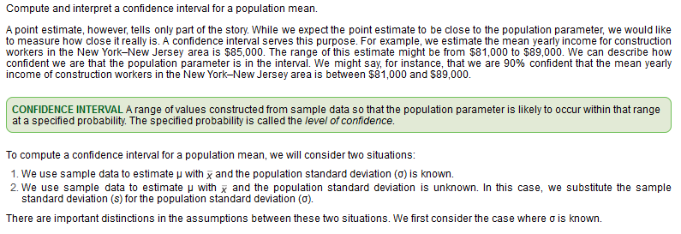
 |  |  |  |  |  |  | CONFIDENCE INTERVALS (Known SIGMA)
Confidence Interval |  |  |  |  |  |  |  | pop_std_dev | 25.0000 | sigma
 |  |  |  |  |  |  |  | sample_observations | 250.0000 | n
 |  |  |  |  |  |  |  | high_sample_mean | 20.0000 | x_bar
 |  |  |  |  |  |  |  | pop_variance | 625.0000 | sigma-squared
 |  |  |  |  |  |  |  | std error of the mean | 1.5811 | sigma / sqrt(n)
 |  |  |  |  |  |  |  | confidence level | 95%
 |  |  |  |  |  |  |  | area under the curve | 0.4750
 |  |  |  |  |  |  |  | z-value | 1.9600 | per z_table
 |  |  |  |  |  |  |  | alpha | 5%
 |  |  |  |  |  |  |  | conf_interval_min | 16.9010
 |  |  |  |  |  |  |  | conf_interval_max | 23.0990

 |  |  |  |  | Ex5. A research firm surveyed 49 randomly selected Americans to determine |  |  |  |  |  |  |  |  |  | CONFIDENCE INTERVALS (Known SIGMA)
 |  |  |  |  |  | the mean amount spent on coffee during 1 week. The sample mean was $20 |  |  |  |  |  |  |  |  |  | pop_mean |  | mu
 |  |  |  |  |  | per week. The population distribution is normal with a standard |  |  |  |  |  |  |  |  |  | point_est_pop_mean | 20.0000 | mu
 |  |  |  |  |  | deviation of $5. |  |  |  |  |  |  |  |  |  | pop_std_dev | 5.0000 | sigma
 |  |  |  |  |  |  |  |  |  |  |  |  |  |  |  | sample_observations | 49.0000 | n
 |  |  |  |  |  | a. What is the point estimate of the population mean? Explain what it indicates. |  |  |  |  |  |  | 20.0000 |  |  | high_sample_mean | 20.0000 | x_bar
 |  |  |  |  |  |  | Assuming our sample represents all Americans the average amount spent on coffee is $20 |  |  |  |  |  |  |  |  | pop_variance | 25.0000 | sigma-squared
 |  |  |  |  |  | b. Using the 95% level of confidence, determine the confidence interval for μ. Explain what it indicates. |  |  |  |  |  |  |  |  |  | std error of the mean | 0.7143 | sigma / sqrt(n)
 |  |  |  |  |  |  | min | 18.6000 |  |  |  |  |  |  |  | confidence level | 95%
 |  |  |  |  |  |  | max | 21.4000 |  |  |  |  |  |  |  | area under the curve | 0.4750
 |  |  |  |  |  |  |  |  |  |  |  |  |  |  |  | z-value | 1.9600 | per z_table
 |  |  |  |  |  |  |  |  |  |  |  |  |  |  |  | alpha | 5%
 |  |  |  |  |  |  |  |  |  |  |  |  |  |  |  | conf_interval_min | 18.6000
Confidence interval sigma unknown |  |  |  |  |  |  |  |  |  |  |  |  |  |  |  | conf_interval_max | 21.4000

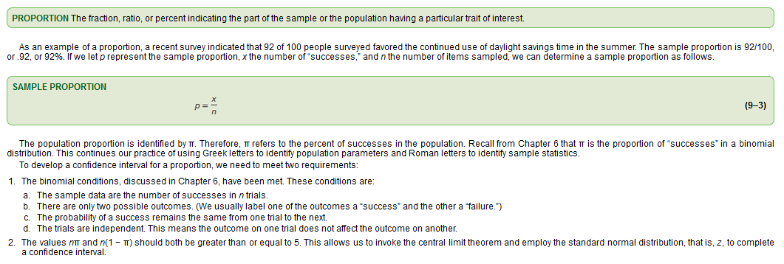
Confidence Interval for a proportion |  |  |  |  | Ex7. Bob Nale is the owner of Nale’s Quick Fill. Bob would like |  |  |  |  |  |  |  | CONFIDENCE INTERVALS (Known SIGMA)
 |  |  |  |  |  | to estimate the mean number of gallons of gasoline sold to |  |  |  |  |  |  |  | pop_mean |  | mu
 |  |  |  |  |  | his customers. Assume the number of gallons sold follows the |  |  |  |  |  |  |  | point_est_pop_mean | 8.6000 | mu
 |  |  |  |  |  | normal distribution with a population standard deviation of |  |  |  |  |  |  |  | pop_std_dev | 2.3000 | sigma |  | z | 1.96
 |  |  |  |  |  | 2.30 gallons. From his records, he selects a random sample |  |  |  |  |  |  |  | sample_observations | 60.0000 | n |  | sigma | 30
 |  |  |  |  |  | of 60 sales and finds the mean number of gallons sold is 8.60. |  |  |  |  |  |  |  | high_sample_mean | 8.6000 | x_bar |  | n | 225
 |  |  |  |  |  | 8.6000 | a. What is the point estimate of the population mean? |  |  |  |  |  |  | pop_variance | 5.2900 | sigma-squared |  |  | 3.92
 |  |  |  |  |  |  | b. Develop a 99% confidence interval for the population mean. |  |  |  |  |  |  | std error of the mean | 0.2969 | sigma / sqrt(n)
 |  |  |  |  |  |  | min | 7.8352 |  |  |  |  |  | confidence level | 99%
 |  |  |  |  |  |  | max | 9.3648 |  |  |  |  |  | area under the curve | 0.4950
 |  |  |  |  |  |  | c. Interpret the meaning of part (b). |  |  |  |  |  |  | z-value | 1.9600 | per z_table
 |  |  |  |  |  |  |  | Bob can be 99% certain that the true mean |  |  |  |  |  | alpha | 1%
 |  |  |  |  |  |  |  | of all sales is between 7.8 and 9.3 gal. |  |  |  |  |  | conf_interval_min | 7.8352
 |  |  |  |  |  |  |  |  |  |  |  |  |  | conf_interval_max | 9.3648

 |  |  |  |  | Ex11. The owner of Britten’s Egg Farm wants to estimate the mean number of eggs produced |  |  |  |  |  |  |  |  |  | CONFIDENCE INTERVALS (Unknown SIGMA)
 |  |  |  |  |  | per chicken. A sample of 20 chickens shows they produced an average of 20 eggs per |  |  |  |  |  |  |  |  |  | sample_observations | 20.0000 | n
 |  |  |  |  |  | month with a standard deviation of 2 eggs per month. |  |  |  |  |  |  |  |  |  | sample_mean | 8.6000 | x_bar
 |  |  |  |  |  |  |  |  |  |  |  |  |  |  |  | sample_std_dev | 2.0000 | s
 |  |  |  |  | 8.6000 | a. What is the value of the population mean? What is the best estimate of this value? |  |  |  |  |  |  |  |  |  | confidence level | 95%
 |  |  |  |  |  |  | We don't know, our best estimate is the sample mean |  |  |  |  |  |  |  |  | degrees_freedom | 19.0000 | n-1
 |  |  |  |  |  | b. Explain why we need to use the t-distribution. What assumption do you need to make? |  |  |  |  |  |  |  |  |  | t-value | 2.0930 | per t_table
 |  |  |  |  |  |  |  |  |  |  |  |  |  |  |  | alpha | 5%
 |  |  |  |  |  |  |  |  |  |  |  |  |  |  |  | margin_of_error | 0.9360 | =t-value * (sample_std_dev / SQRT(observations))
 |  |  |  |  | 2.0930 | c. For a 95% confidence interval, what is the value of t? |  |  |  |  |  |  |  |  |  | point_est_pop_mean | 8.6000 | mu
 |  |  |  |  |  | d. What is the margin of error?
 |  |  |  |  |  | e. Develop the 95% confidence interval for the population mean. |  |  |  |  |  |  |  |  |  | conf_interval_min | 7.6640 | sample_mean - margin_of_error
 |  |  |  |  |  | f. Would it be reasonable to conclude that the population mean is 21 eggs? What about 25 eggs? |  |  |  |  |  |  |  |  |  | conf_interval_max | 9.5360 | sample_mean + margin_of_error

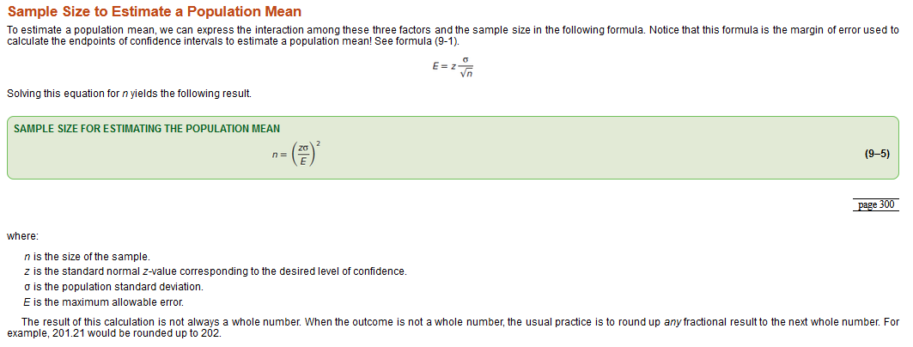
Sample Size for estimating a population mean
 |  |  |  |  | Ex13. Merrill Lynch Securities and Health Care Retirement Inc. are two large |  |  |  |  |  |  |  |  | CONFIDENCE INTERVALS (Unknown SIGMA)
 |  |  |  |  |  | employers in downtown Toledo, Ohio. They are considering jointly offering |  |  |  |  |  |  |  |  | sample_observations | 10.0000 | n
 |  |  |  |  |  | child care for their employees. As a part of the feasibility study, they |  |  |  |  |  |  |  |  | sample_mean | 98.6000 | x_bar
 |  |  |  |  |  | wish to estimate the mean weekly child-care cost of their employees. |  |  |  |  |  |  |  |  | sample_std_dev | 5.5418 | s
 |  |  |  |  |  | A sample of 10 employees who use child care reveals the following amounts |  |  |  |  |  |  |  |  | confidence level | 90%
 |  |  |  |  |  | spent last week. |  |  |  |  |  |  |  |  | degrees_freedom | 9.0000 | n-1
 |  |  |  |  |  |  |  |  |  |  |  |  |  |  | t-value | 1.8330 | per t_table
 |  |  |  |  |  | 107 | 101 |  |  |  |  |  |  |  | alpha | 10%
 |  |  |  |  |  | 92 | 91 |  |  |  |  |  |  |  | margin_of_error | 3.2125 | =t-value * (sample_std_dev / SQRT(observations))
 |  |  |  |  |  | 97 | 99 |  |  |  |  |  |  |  | point_est_pop_mean | 98.6000 | mu
 |  |  |  |  |  | 95 | 95
 |  |  |  |  |  | 105 | 104 |  |  |  |  |  |  |  | conf_interval_min | 95.3875 | sample_mean - margin_of_error
 |  |  |  |  |  |  |  |  |  |  |  |  |  |  | conf_interval_max | 101.8125 | sample_mean + margin_of_error
 |  |  |  |  |  | Develop a 90% confidence interval for the population mean. Interpret the result.
 |  |  |  |  |  |  | min | 95.3875
 |  |  |  |  |  |  | max | 101.8125

 |  |  |  |  | Ex15. The owner of the West End Kwick Fill Gas Station wishes to determine the |  |  |  |  |  |  |  |  | CONFIDENCE INTERVALS (Population Proportion)
 |  |  |  |  |  | proportion of customers who pay at the pump using a credit card or debit |  |  |  |  |  |  |  |  | sample_observations | 80.0000 | n
 |  |  |  |  |  | card. He surveys 100 customers and finds that 85 paid at the pump. |  |  |  |  |  |  |  |  | successes | 32.0000
 |  |  |  |  |  |  |  |  |  |  |  |  |  |  | sam ple_proportion | 0.4000 | p
 |  |  |  |  | 40% | a. Estimate the value of the population proportion. |  |  |  |  |  |  |  |  | confidence level | 95%
 |  |  |  |  |  | b. Develop a 95% confidence interval for the population proportion. |  |  |  |  |  |  |  |  | degrees_freedom | 79.0000 | n-1
 |  |  |  |  |  | min | 29% |  |  |  |  |  |  |  | z-value | 1.9600 | per z_table
 |  |  |  |  |  | max | 51% |  |  |  |  |  |  |  | alpha | 5%
 |  |  |  |  |  |  |  |  |  |  |  |  |  |  | margin_of_error | 0.1074 | =z_value * sqrt( sample_proportion * (1 - sample_proportion) / sample_observations)
Sample size for estimating a Population Proportion |  |  |  |  |  | c. Interpret your findings.
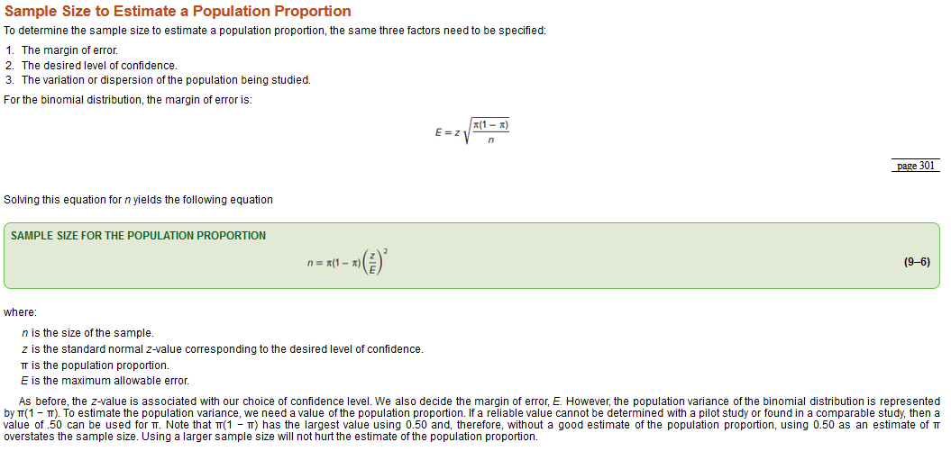
 |  |  |  |  |  |  | We can be 95% confident that the proportion of customers that pay at |  |  |  |  |  |  |  | conf_interval_min | 0.2926 | sample_mean - margin_of_error
 |  |  |  |  |  |  | the pump is between 78% and 92% of all customers. |  |  |  |  |  |  |  | conf_interval_max | 0.5074 | sample_mean + margin_of_error

 |  |  |  |  | Ex17. Netflix is considering a new romcom (romantic comedy) series. Before making a final decision, |  |  |  |  |  |  |  |  |  |  | CONFIDENCE INTERVALS (Population Proportion)
 |  |  |  |  |  | the producers design an experiment to estimate the proportion of viewers who would watch the |  |  |  |  |  |  |  |  |  |  | sample_observations | 400.0000 | n
 |  |  |  |  |  | series. A random sample of 400 viewers was selected and asked to watch the first two episodes. |  |  |  |  |  |  |  |  |  |  | successes | 250.0000
 |  |  |  |  |  | After viewing the episodes, 250 viewers indicated they would watch the new series. |  |  |  |  |  |  |  |  |  |  | sam ple_proportion | 0.6250 | p
 |  |  |  |  |  |  |  |  |  |  |  |  |  |  |  |  | confidence level | 99%
 |  |  |  |  | 63% | a. Estimate the value of the population proportion of people who would watch the new series. |  |  |  |  |  |  |  |  |  |  | degrees_freedom | 399.0000 | n-1
 |  |  |  |  |  | b. Develop a 99% confidence interval for the population proportion of people who would watch the new series. |  |  |  |  |  |  |  |  |  |  | z-value | 2.5750 | per z_table
 |  |  |  |  |  |  | min | 56% |  |  |  |  |  |  |  |  | alpha | 1%
 |  |  |  |  |  |  | max | 69% |  |  |  |  |  |  |  |  | margin_of_error | 0.0623 | =z_value * sqrt( sample_proportion * (1 - sample_proportion) / sample_observations)
 |  |  |  |  |  | c. Interpret your findings.
 |  |  |  |  |  |  | We can be 99% confident that the proportion of viewers that indicate that they |  |  |  |  |  |  |  |  |  | conf_interval_min | 0.5627 | sample_mean - margin_of_error
 |  |  |  |  |  |  | would watch the new series is between 56% and 69% of all customers. |  |  |  |  |  |  |  |  |  | conf_interval_max | 0.6873 | sample_mean + margin_of_error

 |  |  |  |  | Ex21. The estimate of the population proportion should be within plus or minus .05,
 |  |  |  |  |  | with a 95% level of confidence. The best estimate of the population proportion |  |  |  |  |  |  |  | SAMPLE SIZE FOR ESTIMATING A POPULATION MEAN (with population proportion)
 |  |  |  |  |  | is .15. How large a sample is required? |  |  |  |  |  |  |  |  |  | maximum allowable error | 0.0500 | E
 |  |  |  |  |  | 196.0000 |  |  |  |  |  |  |  |  |  | confidence_level | 95%
 |  |  |  |  |  |  |  |  |  |  |  |  |  |  |  | point_est_pop_proportion | 0.1500 | pi
 |  |  |  |  |  |  |  |  |  |  |  |  |  |  |  | std normal z-value | 1.9600 | z | per z_table
 |  |  |  |  |  |  |  |  |  |  |  |  |  |  |  | sample_size | 196.0000 | n | =pi * (1 - pi) * (z / E)^2

 |  |  |  |  | Ex23. A large on-demand, video streaming company is designing a large-scale survey
 |  |  |  |  |  | to determine the mean amount of time corporate executives watch on-demand |  |  |  |  |  |  |  | SAMPLE SIZE FOR ESTIMATING A POPULATION MEAN (with pilot survey)
 |  |  |  |  |  | television. A small pilot survey of 10 executives indicated that the mean time |  |  |  |  |  |  |  |  |  | sample_observations | 10.0000 | n
 |  |  |  |  |  | per week is 12 hours, with a standard deviation of 3 hours. The estimate of the |  |  |  |  |  |  |  |  |  | sample_mean | 12.0000 | x-bar
 |  |  |  |  |  | mean viewing time should be within 0.25 hour. The 95% level of confidence is to |  |  |  |  |  |  |  |  |  | sample_std_dev | 3.0000 | s
 |  |  |  |  |  | be used. How many executives should be surveyed? |  |  |  |  |  |  |  |  |  | maximum_allowable_error | 0.2500 | E
 |  |  |  |  |  | 554 |  |  |  |  |  |  |  |  |  | confidence_level | 95%
 |  |  |  |  |  |  |  |  |  |  |  |  |  |  |  | std normal z-value | 1.9600 | z | per z_table
 |  |  |  |  |  |  |  |  |  |  |  |  |  |  |  | sample_size | 554 | n | =(z * sigma / E)^2
 | CONFIDENCE INTERVALS (Unknown SIGMA)
 |  | sample_observations | 64.0000 | n | Ex33. As part of their business promotional package, the Milwaukee Chamber of Commerce
 |  | sample_mean | 1400.0000 | x_bar |  | would like an estimate of the mean cost per month to lease a one-bedroom apartment. |  |  |  |  |  |  |  | CONFIDENCE INTERVALS (Unknown SIGMA)
 |  | sample_std_dev | 240.0000 | s |  | The mean cost per month for a random sample of 40 apartments currently available for |  |  |  |  |  |  |  |  | sample_observations | 40.0000 | n
 |  | confidence level | 95% |  |  | lease is $1,147. The standard deviation of the sample is $50. |  |  |  |  |  |  |  |  | sample_mean | 1147.0000 | x_bar
 |  | degrees_freedom | 63.0000 | n-1 |  |  |  |  |  |  |  |  |  |  | sample_std_dev | 50.0000 | s
 |  | t-value | 1.9980 | per t_table |  | 1147.0000 | a. What is the point estimate of the population mean? |  |  |  |  |  |  |  | confidence level | 98%
 |  | alpha | 5% |  |  | 50.0000 | b. What is the point estimate of the population standard deviation? |  |  |  |  |  |  |  | degrees_freedom | 39.0000 | n-1
 |  | margin_of_error | 59.9502 | =t-value * (sample_std_dev / SQRT(observations)) |  |  | c. What is the margin of error for a 98% confidence interval estimate? |  |  |  |  |  |  |  | t-value | 2.4260 | per t_table
 |  | point_est_pop_mean | 1400.0000 | mu |  |  |  | min | 1127.8220 |  |  |  |  |  | alpha | 2%
 |  |  |  |  |  |  |  | max | 1166.1780 |  |  |  |  |  | margin_of_error | 19.1780 | =t-value * (sample_std_dev / SQRT(observations))
 |  | conf_interval_min | 1340.0498 | sample_mean - margin_of_error |  |  | d. Would it be reasonable to conclude that the population mean is $1,250 per month? |  |  |  |  |  |  |  | point_est_pop_mean | 1147.0000 | mu
 |  | conf_interval_max | 1459.9502 | sample_mean + margin_of_error |  |  |  | Not with 98% confidence.
 |  |  |  |  |  |  |  |  |  |  |  |  |  |  | conf_interval_min | 1127.8220 | sample_mean - margin_of_error
 |  |  |  |  |  |  |  |  |  |  |  |  |  |  | conf_interval_max | 1166.1780 | sample_mean + margin_of_error

 |  |  |  |  | Ex37. The National Collegiate Athletic Association (NCAA) reported that college football assistant
 |  |  |  |  |  | coaches spend a mean of 70 hours per week on coaching and recruiting during the season. A |  |  |  |  |  |  |  |  | CONFIDENCE INTERVALS (Unknown SIGMA)
 |  |  |  |  |  | random sample of 50 assistant coaches showed the sample mean to be 68.6 hours, with a standard |  |  |  |  |  |  |  |  |  | sample_observations | 50.0000 | n
 |  |  |  |  |  | deviation of 8.2 hours. |  |  |  |  |  |  |  |  |  | sample_mean | 68.6000 | x_bar
 |  |  |  |  |  |  |  |  |  |  |  |  |  |  |  | sample_std_dev | 8.2000 | s
 |  |  |  |  |  | a. Using the sample data, construct a 99% confidence interval for the population mean. |  |  |  |  |  |  |  |  |  | confidence level | 95%
 |  |  |  |  |  |  | min | 66.2696 |  |  |  |  |  |  |  | degrees_freedom | 49.0000 | n-1
 |  |  |  |  |  |  | max | 70.9304 |  |  |  |  |  |  |  | t-value | 2.6800 | per t_table
 |  |  |  |  |  | b. Does the 99% confidence interval include the value suggested by the NCAA? Interpret this result. |  |  |  |  |  |  |  |  |  | alpha | 5%
 |  |  |  |  |  |  | Yes |  |  |  |  |  |  |  |  | margin_of_error | 2.3304 | =t-value * (sample_std_dev / SQRT(observations))
 |  |  |  |  |  | c. Suppose you decided to switch from a 99% to a 95% confidence interval. Without performing any |  |  |  |  |  |  |  |  |  | point_est_pop_mean | 68.6000 | mu
 |  |  |  |  |  | calculations, will the interval increase, decrease, or stay the same? Explain your choice.
 |  |  |  |  |  |  | It would become narrower. We are allowing for more uncertainty. |  |  |  |  |  |  |  |  | conf_interval_min | 66.2696 | sample_mean - margin_of_error
 |  |  |  |  |  |  | in order to achieve a higher level of certainty with the range of the interval or the |  |  |  |  |  |  |  |  | conf_interval_max | 70.9304 | sample_mean + margin_of_error
 |  |  |  |  |  |  | sample observations must increase.

 |  |  |  |  | Ex39. A student conducted a study and reported that the 95% confidence interval
 |  |  |  |  |  | for the mean ranged from 46 to 54. He was sure that the mean of the sample
 |  |  |  |  |  | was 50, that the standard deviation of the sample was 16, and that the
 |  |  |  |  |  | sample size was at least 30, but could not remember the exact number.
 |  |  |  |  |  | Can you help him out?

 |  |  |  |  |  | SAMPLE SIZE FOR ESTIMATING A POPULATION MEAN (with pilot survey)
 |  |  |  |  |  |  |  | sample_observations | 30.0000 | n
 |  |  |  |  |  |  |  | sample_mean | 50.0000 | x-bar
 |  |  |  |  |  |  |  | sample_std_dev | 16.0000 | s
 |  |  |  |  |  |  |  | maximum_allowable_error | 4.0000 | E
 |  |  |  |  |  |  |  | confidence_level | 95%
 |  |  |  |  |  |  |  | std normal z-value | 1.9600 | z | per z_table
 |  |  |  |  |  |  |  | sample_size | 62 | n | =(z * sigma / E)^2

 |  |  |  |  | Ex43. In 2003, the Accreditation Council for Graduate Medical Education (ACGME) implemented
 |  |  |  |  |  | new rules limiting work hours for all residents. A key component of these rules is
 |  |  |  |  |  | that residents should work no more than 80 hours per week. The following is the number
 |  |  |  |  |  | of weekly hours worked in 2017 by a sample of residents at the Tidelands Medical Center.

 |  |  |  |  |  | 84 | 87 |  | 82.5833 | a. What is the point estimate of the population mean for the number of weekly hours worked at the Tidelands Medical Center?
 |  |  |  |  |  | 86 | 81 |  | 3.9418 | b. What is the point estimate of the population standard deviation?
 |  |  |  |  |  | 84 | 84 |  | 2.0435 | c. What is the margin of error for a 90% confidence interval estimate?
 |  |  |  |  |  | 86 | 78 |  |  | d. Develop a 90% confidence interval for the population mean.
 |  |  |  |  |  | 79 | 74 |  |  |  | min | 80.5398
 |  |  |  |  |  | 82 | 86 |  |  |  | max | 84.6269
 |  |  |  |  |  |  |  |  |  | e. Is the Tidelands Medical Center within the ACGME guideline? Why?
 |  |  |  |  |  |  |  |  |  |  | No, 80 falls outside the conf interval.
 |  |  |  |  |  | CONFIDENCE INTERVALS (Unknown SIGMA)
 |  |  |  |  |  |  | sample_observations | 12.0000 | n
 |  |  |  |  |  |  | sample_mean | 82.5833 | x_bar
 |  |  |  |  |  |  | sample_std_dev | 3.9418 | s
 |  |  |  |  |  |  | confidence level | 90%
 |  |  |  |  |  |  | degrees_freedom | 11.0000 | n-1
 |  |  |  |  |  |  | t-value | 1.7960 | per t_table
 |  |  |  |  |  |  | alpha | 10%
 |  |  |  |  |  |  | margin_of_error | 2.0435 | =t-value * (sample_std_dev / SQRT(observations))
 |  |  |  |  |  |  | point_est_pop_mean | 82.5833 | mu

 |  |  |  |  |  |  | conf_interval_min | 80.5398 | sample_mean - margin_of_error
 |  |  |  |  |  |  | conf_interval_max | 84.6269 | sample_mean + margin_of_error

 |  |  |  |  | Ex47. HighTech Inc. randomly tests its employees about company policies.
 |  |  |  |  |  | Last year in the 400 random tests conducted, 14 employees failed the test.

 |  |  |  |  |  | 0.0350 | a. What is the point estimate of the population proportion?
 |  |  |  |  |  | 0.0252 | b. What is the margin of error for a 99% confidence interval estimate?
 |  |  |  |  |  |  | c. Compute the 99% confidence interval for the population proportion.
 |  |  |  |  |  |  |  | min | 1%
 |  |  |  |  |  |  |  | max | 6%
 |  |  |  |  |  |  | d. Is it reasonable to conclude that 5% of the employees cannot pass the company policy test? Why?
 |  |  |  |  |  |  |  | Yes 5% is within the confidence interval

 |  |  |  |  |  | CONFIDENCE INTERVALS (Population Proportion)
 |  |  |  |  |  |  | sample_observations | 400.0000 | n
 |  |  |  |  |  |  | successes | 14.0000
 |  |  |  |  |  |  | sam ple_proportion | 0.0350 | p
 |  |  |  |  |  |  | confidence level | 99%
 |  |  |  |  |  |  | degrees_freedom | 399.0000 | n-1
 |  |  |  |  |  |  | z-value | 2.7460 | per z_table
 |  |  |  |  |  |  | alpha | 1%
 |  |  |  |  |  |  | margin_of_error | 0.0252 | =z_value * sqrt( sample_proportion * (1 - sample_proportion) / sample_observations)

 |  |  |  |  |  |  | conf_interval_min | 0.0098 | sample_mean - margin_of_error
 |  |  |  |  |  |  | conf_interval_max | 0.0602 | sample_mean + margin_of_error

 |  |  |  |  | Ex53. It is estimated that 60% of U.S. households subscribe to cable TV. You would like to verify
 |  |  |  |  |  | this statement for your class in mass communications. If you want your estimate to be within
 |  |  |  |  |  | 5 percentage points, with a 95% level of confidence, how many households should you sample?

 |  |  |  |  |  | SAMPLE SIZE FOR ESTIMATING A POPULATION MEAN (with population proportion)
 |  |  |  |  |  |  |  | maximum allowable error | 0.0500 | E
 |  |  |  |  |  |  |  | confidence_level | 95%
 |  |  |  |  |  |  |  | point_est_pop_proportion | 0.6000 | pi
 |  |  |  |  |  |  |  | std normal z-value | 1.9600 | z | per z_table
 |  |  |  |  |  |  |  | sample_size | 369.0000 | n | =pi * (1 - pi) * (z / E)^2

t-Table
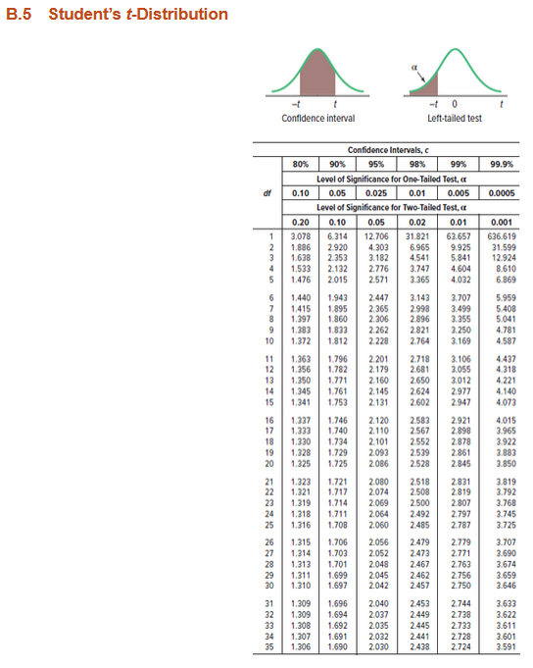
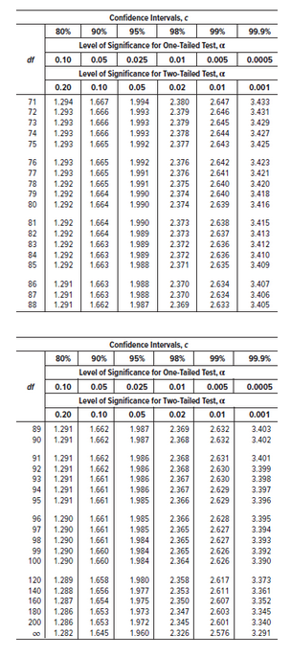
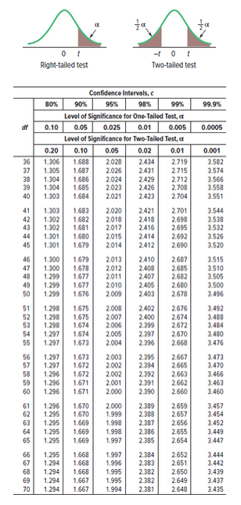
Df = n-1

Ch 9 Review
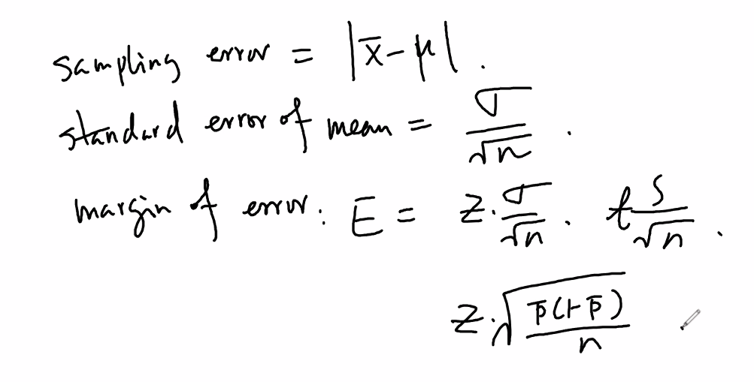
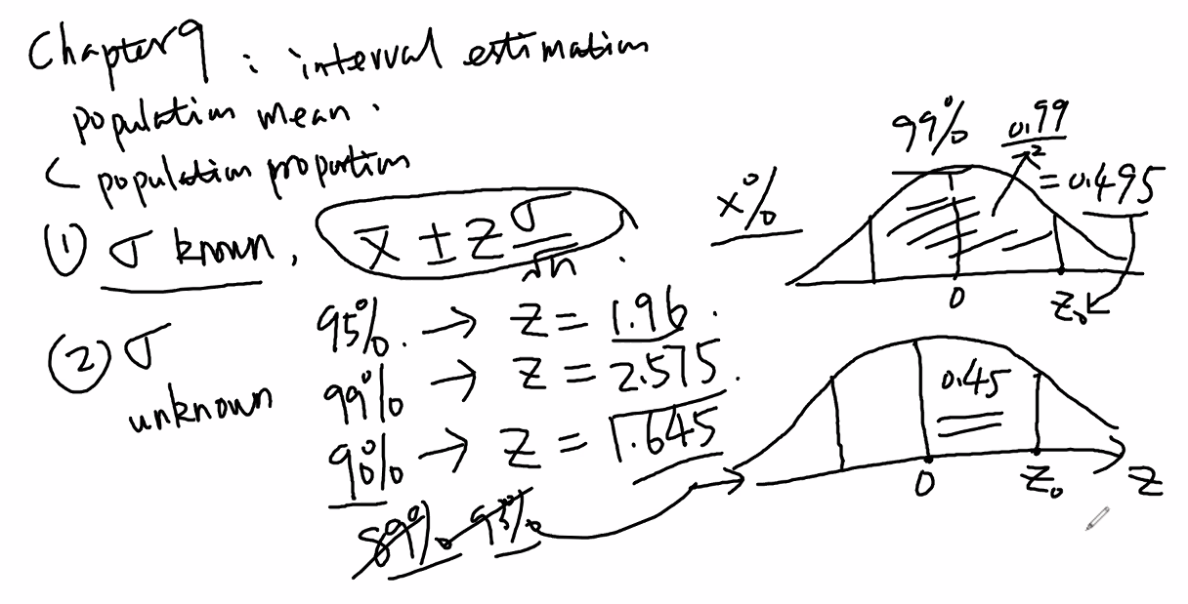
Sigma known

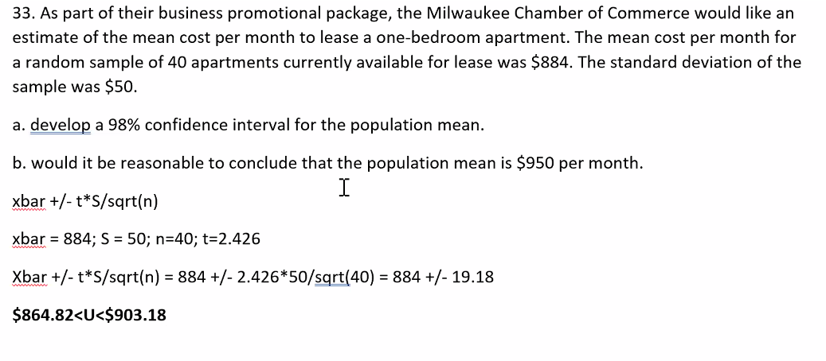
95% | z | 1.960
99% | z | 2.575
90% | z | 1.645

Review 1
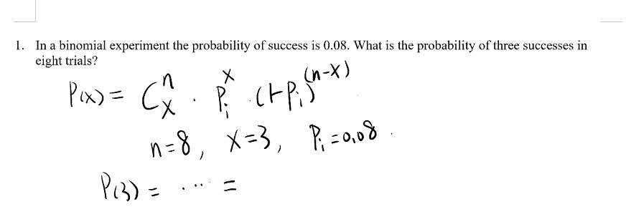
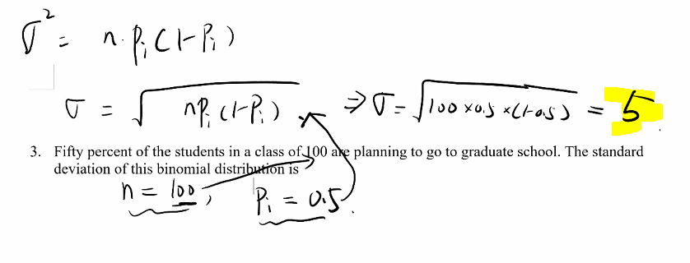

 | Xi | P(xi
 | 1 | 0.1
 | 2 | 0.2
 | 3 | 0.3

 | Mu = | 1.4

0.018897185433

Review 2
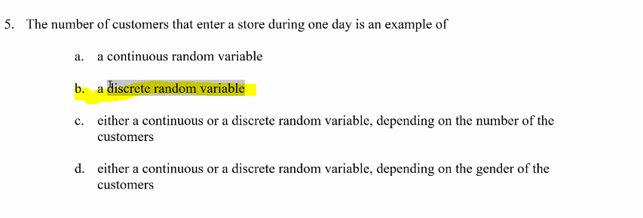
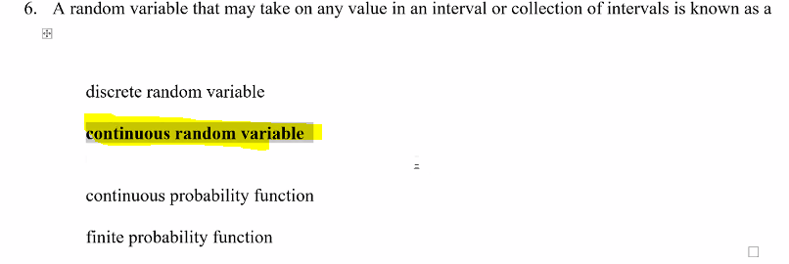

Review 3
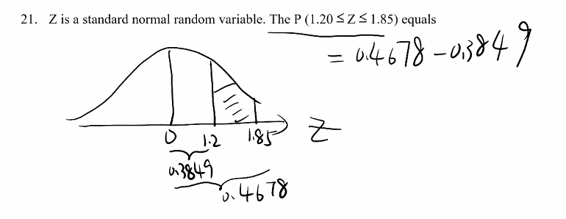
 | 0.88493032978
 | 0.9678432252
 | 0.082912895426

0.73891370031
0.35197270758
0.38694099273

Review 5
 | order doesn’t matter combination

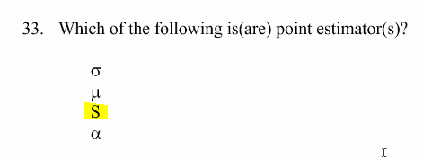

 | z-table | 2.365 | per z-table
x-Bar too

Review 6
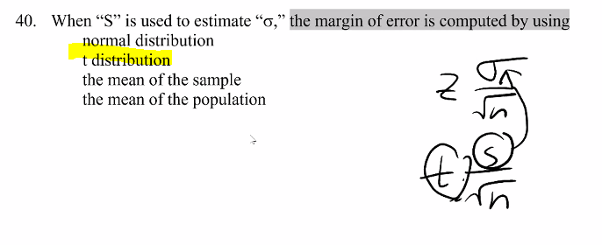

1
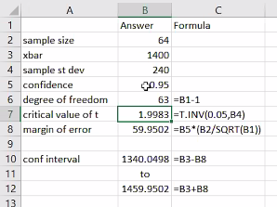
1

Exhibit 8-5
A random sample of 64 SAT scores of students applying for merit scholarships showed an average of 1400 with a standard deviation of 240.

47 | Refer to Exhibit 8-5. If we want to provide a 95% confidence interval for the SAT scores, the degrees of freedom for reading the critical values of “t” statistic is
48 | Refer to Exhibit 8-5. The “t” value for this interval estimation is
49 | Refer to Exhibit 8-5. The margin of error at 95% confidence is
50 | Refer to Exhibit 8-5. The 95% confidence interval for the SAT scores is

3
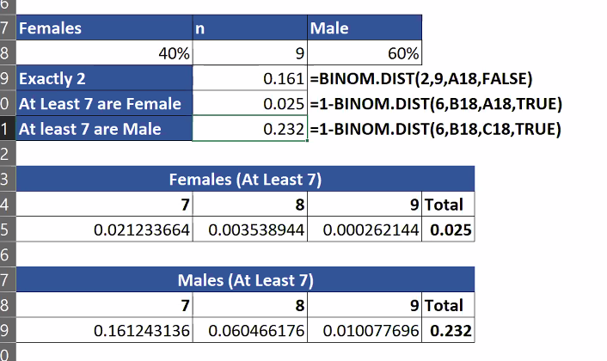
3
Exhibit 5-2

The student body of a large university consists of 40% female students. A random sample of 9 students is selected.

What is the probability that among the students in the sample exactly two are female?

 | What is the probability that among the students in the sample at least 7 are female?

What is the probability that among the students in the sample at least 7 are male?

